Sheet1
index | year of publication | authors | affliction | publisher | type | name of (journal/conference) | keyword of your topic | paper keywords | research gap | future recommendation | purpose of the paper | related work | Objective | Contribution | Signature Figure | What was used | Was any simulator used | Data sets | Performance Indices | Relevance | Model | Sensors Used | Constraints | Tests or Tasks | Attributes
1 | 2022 | Girish Kumar, Arham Anwar, Abhinav Dikshit, Abhirup Poddar, Umang Soni, Weon Keun Song | Delhi Technological University, Delhi, India Netaji Subhas University of Technology, Delhi, India King Mongkut’s Institute of Technology Ladkrabang, Bangkok, Thailand | The Brazilian Society of Mechanical Sciences and Engineering | Journal | Journal of the Brazilian Society of Mechanical Sciences and Engineering | Obstacle avoidance swarm of unmanned aerial vehicles search and rescue missions | Swarm robotics Search and rescue missions Unmanned aerial vehicles Particle swarm optimization Obstacle avoidance​ | 1-Many PSO implementations have either taken the assumption of no collisions and obstacles or have integrated an obstacle avoidance algorithm which significantly affects the searching algorithm’s function by changing the trajectories of swarm particles in directions in which fitness value is modified . 2-There is a need for a collision avoidance system that does not compromise the original PSO algorithm's efficiency while ensuring that UAVs can operate in close proximity without collisions. | 1-The proposed collision avoidance algorithm can be extended to address dynamic obstacles, such as birds or other moving objects, to widen its application domain. 2-Integration of the proposed collision avoidance algorithm with other metaheuristic algorithms, such as hybrid versions of PSO, could be explored to overcome the limitations of falling into local optima. 3-Further development of the algorithm to handle congested spaces with insufficient aerial room for UAVs to switch planes is recommended. 4-The algorithm could be tested in real-world scenarios, such as maritime search and rescue, mining fields, and hazardous area exploration, to validate its practical applicability. | 1-To propose a novel collision avoidance algorithm for a swarm of UAVs operating on Particle Swarm Optimization (PSO) for search and rescue missions. 2-To ensure that the collision avoidance mechanism does not significantly affect the original PSO algorithm's efficiency while reducing the number of collisions between UAVs. | Traditional methods for search and rescue (SAR) missions using UAVs include maritime search and rescue (MSAR), urban search and rescue (USAR), wilderness search and rescue (WiSAR), and combat search and rescue (CSAR). These methods often rely on algorithms like mixed-integer linear programming (MILP), Gaussian mixture models, and real-time image stitching, but they face challenges such as limited UAV flight time, dynamic survivor positions, and the need for human intervention. Particle Swarm Optimization (PSO) and its variants have been widely used for UAV-based SAR missions due to their low computational complexity and ease of implementation. However, many PSO implementations either assume no collisions or integrate obstacle avoidance algorithms that significantly alter the original PSO's trajectory and fitness function, compromising search efficiency. The paper reviews existing methods and highlights the need for a robust collision avoidance algorithm that can be integrated with PSO without affecting its search efficiency, making UAV-based SAR missions more practical and effective. | 1-To develop a collision avoidance algorithm that can be integrated with PSO without significantly affecting the original algorithm's efficiency. 2-To reduce the number of collisions between UAVs in a swarm while maintaining the convergence properties of PSO. 3-To validate the proposed algorithm through simulations and statistical tests. | 1-The paper introduces a novel multi-plane collision avoidance algorithm that allows UAVs to operate in different non-intersecting planes, significantly reducing the probability of collisions. 2-The proposed algorithm does not alter the original PSO algorithm's trajectory or convergence properties, ensuring that the search efficiency is maintained. 3-The algorithm is validated through simulations using 100 different cases, and the results show a significant reduction in collisions compared to the original PSO. 4-The paper provides a detailed mathematical formulation of the proposed algorithm and discusses its potential applications in various search and rescue scenarios. | 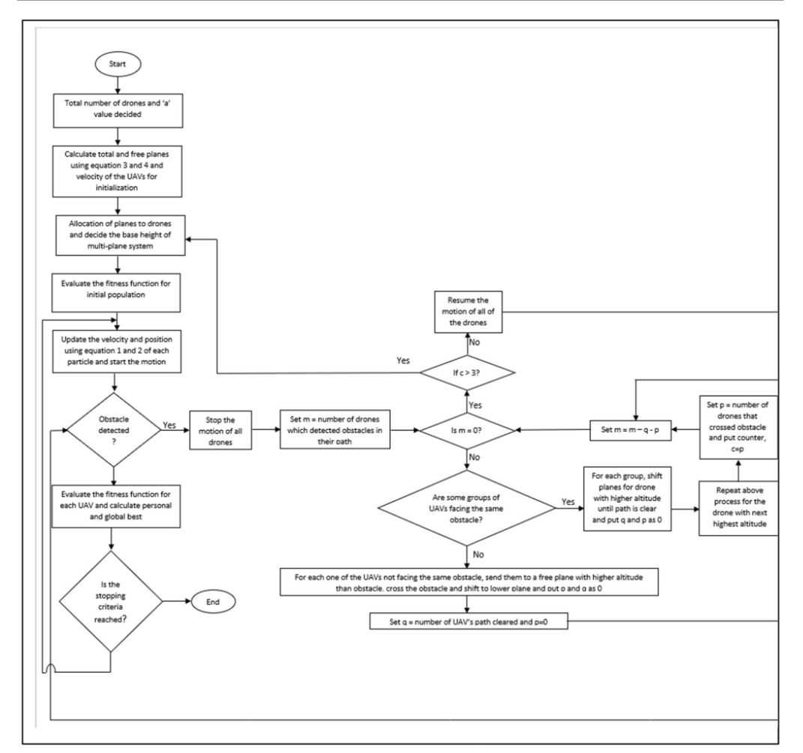 | Mathematical Benchmarking Functions: 1-Rastrigin function and Schwefel function to simulate the search and rescue environment. 2-Randomized Constrained Optimization Functions: Additional randomized constrained optimization functions were used to generate random contours and mimic real-world search scenarios. | MATLAB | not mentioned | 1-Number of Collisions 2-Computational Power and Cost 3-Standardized Residuals 4-Time Complexity | 5 | not mentioned | not mentioned
2 | 2023 | Wajeeha Nasar, Ricardo Da Silva Torres, Odd Erik Gundersen, Anniken T. Karlsen | Wajeeha Nasar, Ricardo Da Silva Torres, Anniken T. Karlsen: Department of ICT and Natural Sciences, Faculty of Information Technology and Electrical Engineering, NTNU—Norwegian University of Science and Technology, Ålesund, Norway. Odd Erik Gundersen: Department of Computer Science, Faculty of Information Technology and Electrical Engineering, NTNU—Norwegian University of Science and Technology, Trondheim, Norway. | MDPI | Journal | ISPRS International Journal of Geo-Information | Artificial intelligence , decision support , search and rescue operations | Artificial intelligence, data management, decision support, disaster management, geographical information systems, search and rescue operations, spatial analysis, systematic review | Limited research on decision support systems (DSS) for search and rescue (SAR) at sea. Most existing studies focus on land-based SAR operations, with fewer addressing maritime or aerial SAR. Lack of integration of AI technologies with data management solutions for real-time decision-making in SAR. Few studies explore the knowledge transfer between different SAR application areas (e.g., land, sea, air). | Further research on DSS for SAR at sea to address the gap in maritime SAR operations. Development of AI-driven solutions for real-time decision-making in SAR, especially in complex environments. Exploration of knowledge transfer between different SAR domains (e.g., applying land-based solutions to maritime or aerial SAR). Integration of advanced data management solutions (e.g., big data, IoT, cloud computing) with AI technologies for more efficient SAR operations. Focus on multi-agent systems and swarm robotics for collaborative SAR tasks. | To provide a systematic literature review of the use of decision support systems (DSS), data management solutions, and artificial intelligence (AI) in search and rescue (SAR) operations. To identify existing solutions, analyze their contributions, and explore the potential for knowledge transfer between different SAR application areas. | The paper reviews various studies on the use of DSS, data management solutions, and AI in SAR operations. It highlights the integration of geographical information systems (GIS) with machine learning (ML) for land-based SAR. The review identifies the use of UAVs (drones), IoT, and big data in SAR operations, particularly for data acquisition and situational awareness. The paper also discusses the limitations of existing research, such as the lack of focus on maritime SAR and the need for more real-time decision-making solutions. | To systematize existing knowledge on the use of DSS, data management solutions, and AI in SAR processes. To identify research patterns, gaps, and opportunities for knowledge transfer between different SAR application areas. | A comprehensive bibliometric mapping and systematic literature review of DSS, data management, and AI in SAR. Identification of research gaps, particularly in maritime SAR and real-time decision-making. Discussion of knowledge transfer possibilities between different SAR domains. Insights into the use of AI technologies (e.g., ML, DL, NLP) and data management solutions (e.g., GIS, IoT, big data) in SAR operations. |  | Decision Support Systems (DSS): Used for decision-making and planning in SAR operations. Data Management Solutions: Including GIS, IoT, big data, and cloud computing for data collection, storage, and analysis. AI Technologies: Including machine learning (ML), deep learning (DL), natural language processing (NLP), and reinforcement learning (RL) for data analysis and decision-making. UAVs (Drones): Used for data acquisition and situational awareness in SAR operations. | not mentioned | not mentioned | not mentioned | 2 | not mentioned | not mentioned
3 | 2023 | Marc-André Blais, Moulay A. Akhloufi | Perception, Robotics, and Intelligent Machines (PRIME), Department of Computer Science, Université de Moncton, Moncton, NB, Canada. | KeAi Communications Co. Ltd. | Journal | Cognitive Robotics | Reinforcement learning ,swarm robotics , algorithms | Swarm robotics Reinforcement learning Intelligent systems Simulators Drones | Limited quantity of reviews specifically focused on utilizing reinforcement learning for swarm robotics. Lack of studies addressing reinforcement learning in swarm robotics, especially in comparison to multi-agent reinforcement learning (MARL) and deep reinforcement learning for multi-agent systems. Most existing reviews focus on classical learning and non-learning methods for swarm robotics, but not specifically on reinforcement learning. | Scalability: Develop or adapt algorithms to handle large swarms (hundreds to thousands of robots). Practical Experiments: Conduct experiments using real robots to validate the algorithms in real-world scenarios. Efficiency Comparison: Compare the speed and processing time of different algorithms for real-world applications. Multi-type Swarm: Explore reinforcement learning algorithms for heterogeneous swarms (e.g., combining UAVs and UGVs). Improved Communication: Enhance communication and coordination between agents in swarms. Real-world Testing: Test algorithms in more realistic and dynamic environments to improve robustness. | To provide a comprehensive review of reinforcement learning-based swarm robotics, focusing on applications, algorithms, and simulators. To fill the gap in the literature by reviewing the current state-of-the-art in reinforcement learning for swarm robotics. To explore the potential of reinforcement learning in controlling swarms of unmanned vehicles for various applications. | Swarm robotics leverages decentralized control of multiple robots, inspired by natural systems like ants and birds, to solve complex tasks. Reinforcement Learning (RL) is increasingly used to enable autonomous decision-making in swarm systems, improving efficiency and adaptability. Applications include forest fire prevention, agriculture, logistics, military operations, and search and rescue missions, where swarms of drones and ground robots perform tasks like monitoring, target tracking, and disaster response. Challenges include scalability, communication reliability, real-world implementation, and energy efficiency in dynamic environments. RL algorithms like Q-learning, DQN, and DDPG have been applied to swarm robotics, but integrating deep reinforcement learning for autonomous navigation in large, heterogeneous swarms remains an area for further research. | Conduct a comprehensive review of swarm robotics applications, focusing on reinforcement learning control systems. Present an in-depth study of state-of-the-art techniques in swarm robotics using reinforcement learning. Review simulators used for training, validating, and simulating swarms of unmanned vehicles with reinforcement learning. | The paper provides a detailed overview of reinforcement learning-based swarm robotics, including applications, algorithms, and simulators. It highlights the potential of reinforcement learning in controlling swarms of unmanned vehicles for various tasks. The review identifies gaps in the current research and suggests future directions for improving swarm robotics using reinforcement learning. | 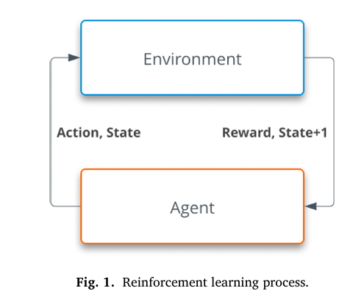 | Algorithms: SARSA, Q-learning, Deep Q-learning (DQN), Deep Deterministic Policy Gradient (DDPG), Multi-Agent DDPG (MADDPG), Federated Learning DDPG (FLDDPG), Trust Region Policy Optimization (TRPO), etc. | AirSim: For photorealistic simulations of drones and cars. Gazebo: For physics-realistic simulations of various robots. OpenAIGym: For reinforcement learning tasks, including swarm robotics. Isaac Sim: For industrial robotics and swarm simulations. Coppelia: For industrial robots and ground vehicles. PyBullet: For physics-based simulations of robots. Robotarium: A remote swarm of ground robots for testing. StarCraft II: A real-time strategy game used for testing multi-agent systems |  | Completion Rate: Percentage of tasks successfully completed by the swarm. Convergence Time: Time taken for the algorithm to reach an optimal solution. Reward: Cumulative reward achieved by the swarm during training or testing. Collision Rate: Number of collisions between robots or with obstacles. Scalability: Performance of the algorithm as the number of agents increases. Efficiency: Time and computational resources required to control the swarm. | 4 | not mentioned | RGB Cameras LiDAR (Light Detection and Ranging) Infrared Sensors IMU (Inertial Measurement Unit) GPS (Global Positioning System) Barometers Distance Sensors Force Sensors Altimeters Depth Sensors RFID (Radio-Frequency Identification Omnidirectional Received Signal Strength Sensors Proximity Sensors Optical Flow Sensors Segmentation Sensors
4 | 2022 | Dynhora-Danheyda Ramírez-Ochoa, Luis Asunción Pérez-Dominguez, Erwin-Adán Martínez-Gómez, and David Luviano-Cruz | Department of Industrial Engineering and Manufacturing, Institute of Engineering and Technology, Autonomous University of Ciudad Juárez (UACJ), Juarez City, Mexico. | MDPI (Multidisciplinary Digital Publishing Institute) | Journal | Symmetry | Swarm Intelligence-Based Evolutionary Algorithm as a Decision-Making Strategy | optimization methods; multi-criteria methods for decision making (MCDM); analysis and decision making; metaheuristics; particle swarm algorithm (PSO) | The paper identifies a gap in the comprehensive classification and application of multi-criteria decision-making (MCDM) and metaheuristic methods, particularly focusing on the Particle Swarm Optimization (PSO) algorithm. There is a lack of detailed reviews that incorporate scientific articles, patents, and copyright registrations related to PSO. The paper highlights the need for more research on hybrid algorithms combining PSO with other methods to improve efficiency and effectiveness in solving complex problems. | The authors recommend further research on improving the PSO algorithm, particularly by combining it with other metaheuristic algorithms like Ant Colony Optimization (ACO), Bat Algorithm (BA), and fuzzy logic-based methods. They suggest exploring hybrid approaches, such as combining PSO with MCDM methods like TOPSIS, CODAS, and q-ROF, to enhance decision-making processes. Future work should focus on test cases comparing PSO with other algorithms to validate its performance in various applications. | The purpose of the paper is to provide a comprehensive review of the Particle Swarm Optimization (PSO) algorithm as a decision-making strategy, focusing on its applications, extensions, and integration with multi-criteria and metaheuristic methods. The paper aims to classify and analyze the existing literature, patents, and copyright registrations related to PSO, highlighting its importance in solving symmetric and asymmetric problems in various fields. | The literature review in the paper provides a thorough overview of the PSO algorithm, its applications, and its integration with multi-criteria decision-making (MCDM) and metaheuristic methods. The authors highlight the importance of PSO in solving complex problems across various domains and discuss its advantages and limitations. They also review patents and copyright registrations related to PSO, demonstrating its widespread use in industry and research. The paper concludes with recommendations for future research, particularly in improving PSO and exploring hybrid algorithms. | The objective of the paper is to classify and review the applications of PSO in decision-making processes, particularly in multi-criteria and metaheuristic contexts. The authors aim to provide a structured overview of PSO, including its mathematical formulation, applications, and potential improvements. | The paper contributes by providing a detailed classification of MCDM and metaheuristic methods, with a focus on PSO. It offers a structured review of PSO applications, including its use in patents and copyright registrations. The authors propose a three-step process for implementing the PSO algorithm: initialization, update of the local optimal position, and obtaining the best global optimal position. The paper also highlights the potential for future research in hybrid algorithms and improved versions of PSO. | 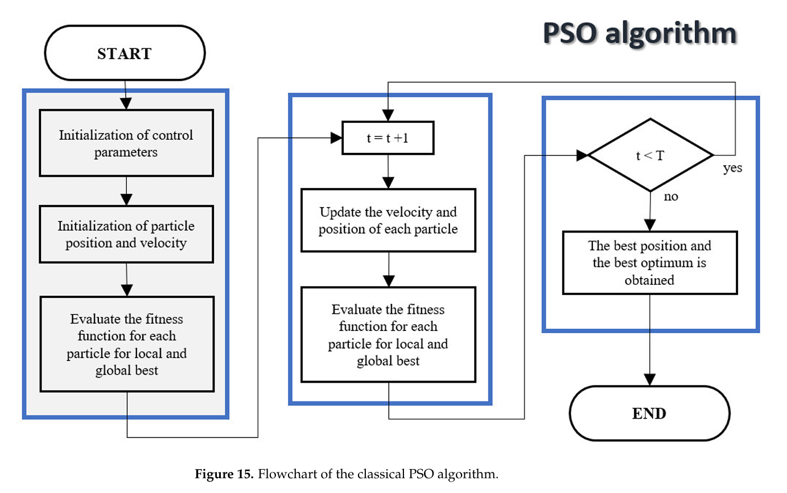 | ScienceDirect, IEEExplore, ProQuest, JSTOR, and SAGE databases | not mentioned |  | The paper does not explicitly discuss performance indices or sensors. However, it reviews the performance of PSO in various applications, such as improving robot welding processes, optimizing insulin delivery, and enhancing the speed and control of robots. The authors highlight the efficiency and effectiveness of PSO in solving complex problems, particularly when combined with other algorithms. | 4 | not mentioned | not mentioned
5 | 2023 | Muhammad Muzamal Shahzad, Zubair Saeed, Asima Akhtar, Hammad Munawar, Muhammad Haroon Yousaf, Naveed Khan Baloach, and Fawad Hussain | Swarm Robotics Lab (SRL), National Center of Robotics and Automation (NCRA), Taxila, Pakistan. Department of Avionics Engineering, College of Aeronautical Engineering, National University of Science and Technology (NUST), Islamabad, Pakistan. Department of Computer Engineering, University of Engineering and Technology (UET), Taxila, Pakistan. | MDPI (Multidisciplinary Digital Publishing Institute) | Journal | Drones | Swarm Robotics | swarm intelligence; swarm behaviors; swarm robotics; industrial swarm; swarm robotics applications | The paper identifies a gap between theoretical research (focused on simulating swarm behaviors using algorithms) and industrial research (focused on designing hardware capable of executing swarm behavior). There is a need to deploy swarm algorithms on specific hardware that can accommodate swarm behavior functionality. The paper highlights the challenge of developing robust, flexible, fault-tolerant, and self-organizing multi-robot systems that can dynamically adapt to real-world scenarios. | Future work should focus on improving swarm algorithms and developing hybrid algorithms that combine swarm intelligence with other optimization techniques. The paper suggests exploring real-world applications of swarm robotics in areas such as precision medicine, agriculture, disaster relief, and space exploration. Researchers should also focus on scaling up swarm robotics from small laboratory settings to large-scale deployments in dynamic environments. | The purpose of the paper is to provide a comprehensive review of swarm robotics, covering its history, current state, and future directions. The paper aims to classify and analyze the fundamental behaviors of swarm robots, swarm intelligence algorithms, and their applications in both research and industrial settings. It also aims to highlight the differences between multi-agent systems and swarm robotics, and to provide insights into the challenges and opportunities in the field. | The literature review in the paper provides a comprehensive overview of swarm robotics, covering its history, fundamental behaviors, swarm intelligence algorithms, and applications in research and industry. The authors highlight the evolution of swarm robotics from its origins in natural systems to its current state as a mature field with real-world applications. The paper also identifies the challenges and future directions of swarm robotics, providing valuable insights for researchers in the field. | The objective of the paper is to provide a broad overview of swarm robotics, including its fundamental behaviors, swarm intelligence algorithms, and applications in research and industry. The paper aims to classify and analyze the key features of swarm robots, simulators, and real-world applications, and to provide insights into the future directions of the field. | The paper provides a comprehensive classification of swarm robotics, including its fundamental behaviors, swarm intelligence algorithms, and applications in research and industry. It highlights the differences between multi-agent systems and swarm robotics, and provides a detailed review of the evolution of swarm robotics from its inception to its current state. The paper also discusses the challenges and future directions of swarm robotics, providing valuable insights for researchers in the field. |  | _ | _ |  | The paper discusses various sensors used in swarm robotics, including infrared sensors, cameras, accelerometers, and gyroscopes. It also reviews the performance of swarm intelligence algorithms in terms of convergence, robustness, and scalability. The paper highlights the importance of fault tolerance and self-healing in swarm robotics, which are key performance indices for evaluating the effectiveness of swarm systems. | 2 | not mentioned | none
6 | 2021 | Lewis M. Pyke and Craig R. Stark | Complex Multiscale Dynamics, Division of Games Technology and Mathematics, Abertay University, Dundee, United Kingdom | Frontiers in Applied Mathematics and Statistics | Journal | Frontiers in Applied MIFAC PapersOnLineathematics and Statistics | Pathfinding , Swarm Intelligence | Dynamic pathfinding, swarm intelligence, particle swarm optimization, flocking, multi-agent systems, autonomous agents | The paper identifies that traditional graph-based pathfinding algorithms ( like D* Lite) become computationally and memory-intensive as the environment size increases. Additionally, these algorithms struggle in dynamic environments where obstacles can move or change. The research gap lies in developing a more scalable and efficient pathfinding algorithm for multi-agent systems in dynamic environments. | The authors suggest future research could focus on applying the Drone Flock Control (DFC) model with the Particle Swarm Optimization Pathfinding (PSOP) algorithm to more advanced simulations that consider environmental factors like atmospheric pressure, turbulence, and UAV dynamics. They also recommend testing the model in real-world UAVs in controlled environments. Additionally, they propose further research into optimizing the PSOP algorithm for games applications, including parallelization techniques. | The purpose of the paper is to propose and evaluate a dynamic, cooperative pathfinding algorithm (PSOP) based on Particle Swarm Optimization (PSO) for controlling and navigating groups of autonomous UAVs in unknown and dynamic environments. The paper also aims to compare the performance of PSOP with a traditional graph-based algorithm (D* Lite) in terms of computational efficiency, memory usage, and pathfinding accuracy. | The paper discusses the use of Swarm Intelligence (SI) techniques, particularly Reynolds flocking and Particle Swarm Optimization (PSO), for controlling multi-agent systems. It highlights the limitations of traditional graph-based pathfinding algorithms like D* Lite in dynamic environments and the need for more scalable solutions. The authors also mention the potential applications of SI-based pathfinding in both UAV control and games technology. | The objective of the paper is to combine two Swarm Intelligence algorithms (PSO and Reynolds flocking) to propose a model (DFC) for controlling a system of autonomous UAVs capable of navigating unknown and evolving environments. The paper aims to design, implement, and test a PSO-based dynamic pathfinding algorithm (PSOP) and compare its performance with a traditional graph-based method (D* Lite). | The paper contributes a novel dynamic pathfinding algorithm (PSOP) based on PSO, which is shown to be more memory-efficient, computationally efficient, and successful in creating high-quality paths compared to D* Lite. The paper also introduces the Drone Flock Control (DFC) model, which integrates PSOP, Reynolds flocking, and obstacle avoidance to facilitate cooperative motion in multi-agent systems. |  | Algorithms: Particle Swarm Optimization (PSO), Reynolds flocking, D* Lite Programming Language: C# Pathfinding Heuristic: A modified version of the A* heuristic, considering Euclidean distance and obstacle obstruction. | Unity game engine | The datasets used in the study are available in an online repository: https://doi.org/10.6084/m9.figshare.15015528.v1. The data includes frame time, memory allocation, initialization time, search time, and collision data collected during simulations. | Computational Efficiency: Frame time (time taken to process each frame). Memory Efficiency: Memory allocation per frame. Pathfinding Accuracy: Time taken to complete the objective (find the target), number of collisions (drone-to-environment and drone-to-drone). Initialization Time: Time required to set up the simulation. | 4 | not mentioned | none
7 | 2020 | Renbin Xiao, Husheng Wu, Liang Hu, Jinqiang Hu | Renbin Xiao, Liang Hu: School of Artificial Intelligence and Automation, Huazhong University of Science and Technology, Wuhan, Hubei, China. Husheng Wu, Jinqiang Hu: School of Equipment Management and Support, Armed Police Force Engineering University, Xi’an, Shanxi, China. | Inderscience Enterprises Ltd. | Journal | International Journal of Bio-Inspired Computation | swarm intelligence solving complex area coverage problems | Area coverage, swarm robot, swarm intelligence, labour division, response threshold model, activation-inhibition model. | Traditional area coverage methods for swarm robots often suffer from inefficiencies such as repeated coverage, long time consumption, and poor adaptability to dynamic environments. Existing algorithms like the fixed response threshold model (FRTM) lack adaptability to dynamic task allocation and complex environments with sudden threats or forbidden areas. | Consider robot communication and movement constraints in dynamic environments. Investigate complex area coverage problems with repair bases (supply and maintenance points) and threat areas simultaneously. Expand the application range of the algorithm to areas such as forest fire monitoring, UAV task allocation, nuclear and biochemical detection, disaster area search and rescue, and anti-terrorism explosives search. | To propose a new swarm intelligence labour division approach (activation-inhibition response threshold algorithm, AIRT) to solve complex area coverage problems of swarm robots, especially in environments with complex nonlinear boundaries and threat areas. | The paper reviews existing methods for area coverage, including traditional single-robot methods and swarm robot approaches. It highlights the limitations of current methods, such as the fixed response threshold model (FRTM) and region division methods, which are inefficient in dynamic environments. The paper draws inspiration from biological labour division models, such as the ant colony's response threshold model and the bee colony's activation-inhibition model, to propose a more adaptive and efficient algorithm. | To develop a swarm intelligence labour division approach that combines the response threshold model and activation-inhibition model to improve area coverage efficiency and adaptability in complex environments. | The paper introduces the AIRT algorithm, which dynamically adjusts the response threshold of swarm robots based on the activation-inhibition model, enabling efficient and adaptive area coverage. The algorithm is tested in three scenarios: non-threat area coverage, established threat area coverage, and sudden threat area coverage, demonstrating its effectiveness in dynamic environments. | 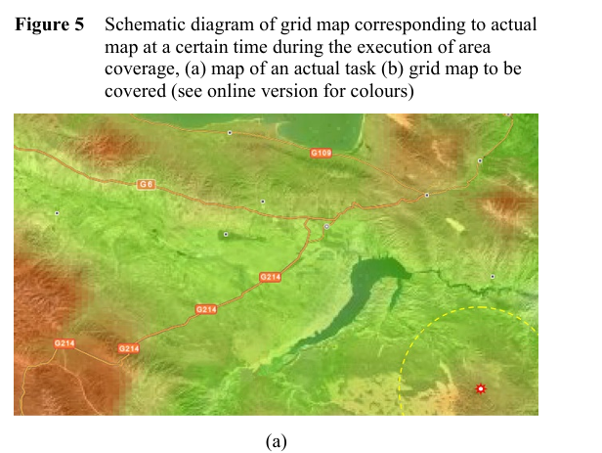 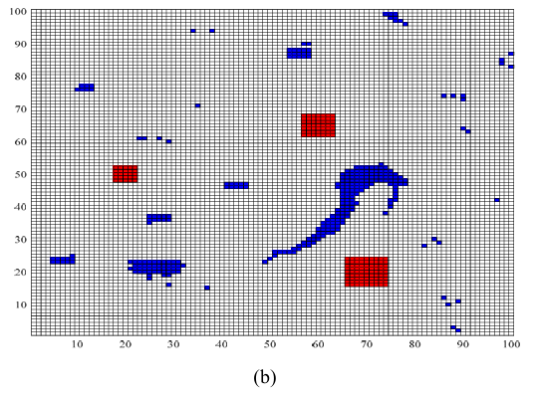 | The AIRT algorithm, which combines the response threshold model (from ant colonies) and the activation-inhibition model (from bee colonies). | Grid-based discretisation of the task area for simulation. | The paper uses a grid-based map derived from a military map for simulation. The grid map is 100x100, with areas classified as safe, forbidden, or dangerous (threat areas). Threat areas are defined with specific threat coefficients and radii. | Time Consuming (T): The time required for swarm robots to complete the area coverage task. Total Coverage Length (L): The sum of the distance covered by the swarm robots. Coverage Rate (C): The ratio of the area covered by swarm robots to the total task area. Number of Lost Robots (S_num): The number of robots eliminated while passing through threat areas. | 5 | not mentioned | not mentioned
8 | 2021 | David Paez , Juan P. Romero , Brian Noriega , Gustavo A. Cardona , Juan M. Calderon | Department of Electronic Engineering, Universidad Santo Tomas, Colombia Department of Electrical and Electronic Engineering, Universidad Nacional de Colombia, Colombia Department of Computer Science and Engineering, Bethune Cookman University, Daytona FL, USA | IFAC (International Federation of Automatic Control) | Conference | IFAC PapersOnLine | Practicle Swarm Robotics Search and Rescue Operations | Robot Navigation , Autonomous Mobile Robots , Distributed-PSO , Distributed navigation , Bio-inspired systems | The paper addresses the challenge of navigating a swarm of robots in complex and dangerous disaster environments, where traditional methods may fail due to local minima and lack of collision avoidance. Existing PSO algorithms do not consider collision avoidance between particles, leading to poor performance in multi-robot systems. | The authors plan to study the interaction between multiple swarms that can cooperate to deal with common goals in the presence of adversarial agents. | To propose a Distributed Particle Swarm Optimization (DPSO) algorithm for multi-robot systems in search and rescue operations, enabling robots to navigate complex environments, avoid obstacles, and locate victims efficiently. | The paper discusses bio-inspired systems based on animal behaviors (e.g., birds, ants, bees) for cooperative robot behavior. It reviews existing PSO algorithms used in search and rescue operations, highlighting improvements such as Fractional Order Equations and Darwinian approaches. The authors differentiate their work by using a multi-swarm system with repulsive forces to avoid collisions between robots. | To develop a navigation algorithm for a multi-robot system that can avoid obstacles (static and dynamic) and locate victims in disaster scenarios using a modified DPSO approach. | Each robot is represented by an independent particle swarm. The robot's position is determined by the average position of its swarm particles. Repulsion forces are introduced between particles within the same swarm to avoid convergence at the same point. Repulsion forces are also introduced between different swarms to prevent collisions between robots. | 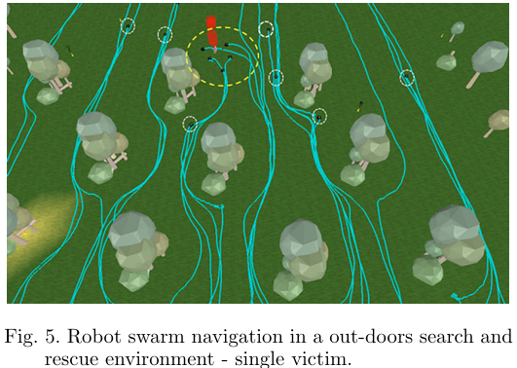 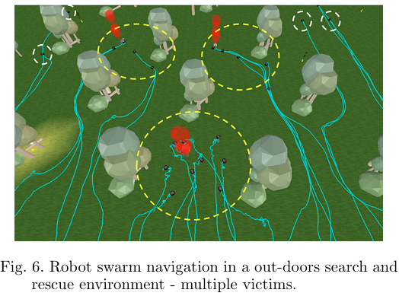 | Distributed Particle Swarm Optimization (DPSO) algorithm. Artificial potential functions for attraction to victims and repulsion from obstacles and other robots. | V-Rep (Virtual Robot Experimentation Platform) for 3D simulation and visualization of the multi-robot system in disaster scenarios. |  | The performance was evaluated based on the ability of the robots to navigate, avoid obstacles, and locate victims in different scenarios. The repulsion forces between particles and swarms were key performance metrics. | 5 | not mentioned | not mentioned
9 | 2023 | Jiri Horyna , Tomas Baca , Viktor Walter , Dario Albani , Daniel Hert , Eliseo Ferrante , Martin Saska | Multi-robot Systems Group, Department of Cybernetics, Faculty of Electrical Engineering, Czech Technical University in Prague, Czech Republic Autonomous Robotics Research Centre, Technology Innovation Institute, Masdar City, Abu Dhabi, United Arab Emirates | Springer | Journal | Autonomous Robots | Decentralized swarms of unmanned aerial vehicles , search and rescue operations | Swarm systems , Flocking control , Exploration and navigation , Search and rescue , Self-adaptive communication | The paper addresses the challenge of decentralized swarm navigation in demanding outdoor environments without explicit communication, which is crucial for search and rescue operations. Existing methods often rely on explicit communication or global localization, which can be unreliable in real-world conditions. | The authors suggest further exploration of the interaction between multiple swarms to handle common goals in the presence of adversarial agents. They also recommend studying the robustness of the system in more complex and dynamic environments. | To propose a novel decentralized swarming approach for UAVs in search and rescue operations, focusing on autonomous flocking behavior, real-time object detection, and self-adaptive communication without explicit communication. | The paper reviews existing swarm systems and their applications in search and rescue, mapping, and surveillance. It discusses the limitations of current methods, such as reliance on explicit communication and global localization, and highlights the need for decentralized, robust systems that can operate in demanding environments. | To develop a decentralized swarm navigation system for UAVs that can autonomously explore and navigate in demanding outdoor environments, detect objects of interest, and verify detections without explicit communication. | A novel decentralized flocking control algorithm for UAV swarms. A self-adaptive communication strategy for efficient swarm navigation and decision-making. A local visual communication channel for relative localization and data transmission between neighboring UAVs. Real-world validation of the proposed system in demanding outdoor environments. | 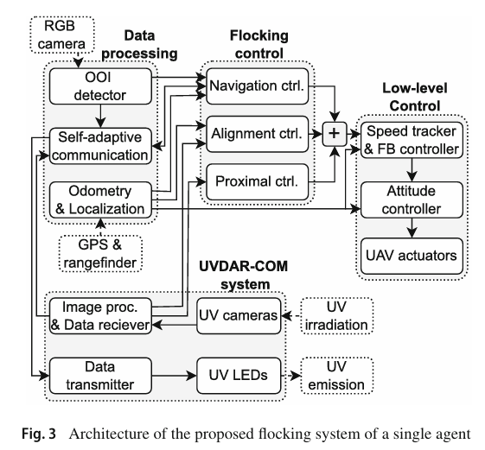 | Decentralized flocking control algorithm. Self-adaptive communication strategy. Local visual communication channel (UVDAR-COM system). Onboard RGB cameras for object detection. Convolutional Neural Network (CNN) for person detection. | Gazebo simulator for realistic simulations. ROS (Robot Operating System) for simulation and real-world implementation. |  | The performance was evaluated based on the swarm's ability to maintain cohesion, avoid collisions, and detect and verify objects of interest. Metrics such as order and accuracy were used to assess navigation performance. | 5 | not mentioned | Downward-facing rangefinder for height estimation. GPS receiver for self-localization. Forward-looking RGB camera for object detection. UV LEDs and UV cameras (UVDAR system) for relative localization and communication.
10 | 2020 | Samira Hayat, Evgen Yanmaz, Christian Bettstetter, Timothy X. Brown | Institute of Networked and Embedded Systems, University of Klagenfurt, Austria Lakeside Labs GmbH, Klagenfurt, Austria Carnegie Mellon University, Kigali, Rwanda | Springer | Journal | Autonomous Robots | path planning , search and rescue | Drones, UAVs, Path Planning, Coverage, Connectivity, SAR, QoS | Existing path planning algorithms for UAVs often treat communication as a constraint rather than a mission goal. Most algorithms do not consider the dynamic allocation of tasks (search, inform, monitor) based on real-time information dissemination. Limited exploration of path planning algorithms that can be tuned to prioritize coverage or connectivity based on mission requirements. | Further exploration of joint optimization of search, inform, and monitor tasks for more complex scenarios. Comparison of different optimization tools (e.g., MILP, RRT) for multi-objective path planning. Extension of the proposed strategies to scenarios with obstacles and non-line-of-sight communication. | To propose and analyze two UAV path planning strategies (SICQ and SIC+) for search and rescue missions that optimize both coverage and connectivity, with a focus on incorporating communication as a mission goal rather than a constraint. | Previous work on UAV path planning focuses on either coverage or connectivity, but not both simultaneously. Connectivity is often treated as a constraint, leading to degraded coverage performance. Some works treat connectivity as a goal, but they do not consider QoS requirements. Existing algorithms for task allocation and path planning do not account for the dynamic and causal nature of tasks in SAR missions. | To design UAV path planning strategies that optimize search, inform, and monitor tasks while considering QoS requirements. To evaluate the impact of incorporating communication as a mission goal on mission completion time and path quality. | Defined an SAR mission in terms of causal tasks (search, inform, monitor) that need to be performed for successful mission completion. Emphasized the role of communication as an enabler for multi-UAV applications and incorporated QoS demands in UAV path planning. Introduced two adaptive path planning strategies (SICQ and SIC+) and analyzed their performance in terms of mission time and path quality. Used real-world link measurements to incorporate connectivity and QoS in path planning in a realistic manner. | 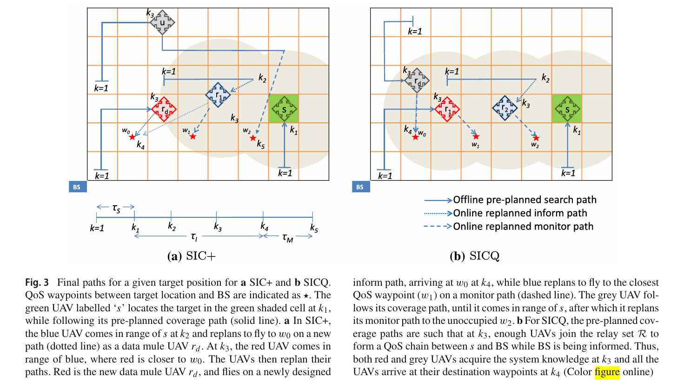 | Genetic Algorithm (GA) for path planning and optimization. Real-world experimental measurements for connectivity and QoS parameters. Multiple Traveling Salesmen Problem (mTSP) for coverage path design. | Yes, simulations were performed to analyze the algorithm. The paper mentions that the algorithm was simulated for 10 to 15 runs, each over 1000 iterations, with a GA-generated path population size of 80. | The search area is divided into 10 × 20 cells, with each cell corresponding to the sensing range of a UAV at a specific height. The communication technology used is 802.11a, with high, medium, and low data rates corresponding to different QoS levels. | Mission completion time (τ), which includes search time (τ_S), inform time (τ_I), and monitor time (τ_M). Path quality in terms of connectivity and QoS link establishment. Likelihood of a communication path existing between the target and the base station (BS) upon target detection. | 4 | not mentioned | Onboard cameras for sensing and target detection. Communication interfaces for information dissemination and QoS link establishment.
11 | 2021 | Ángel Madridano, Abdulla Al-Kaff, Pablo Flores, David Martín, Arturo de la Escalera | Intelligent Systems Lab (LSI), Universidad Carlos III de Madrid, Spain Drone Hopper S.L., Leganés, Madrid, Spain | MDPI (Multidisciplinary Digital Publishing Institute) | Journal | Applied Sciences | Autonomous , Swarms in Forest and Urban Firefighting | UAVs, Swarm, Autonomous, Navigation, Software Architecture | The autonomous and cooperative navigation of UAV swarms is still a field of study, especially in dynamic and complex environments like forest and urban fires. Existing solutions often lack robustness, scalability, and adaptability to real-world scenarios. Limited exploration of deep reinforcement learning (DRL) for autonomous decision-making in UAV swarms. | Development of a real swarm of UAVs to validate the proposed algorithms in real-world scenarios. Integration of deep learning (DL) methods to generate 3D occupancy maps from visual information captured by monocular cameras. Expansion of DRL training environments to improve adaptability and robustness in various scenarios. Standardization of DRL models for heterogeneous environments. Improvement of UAV autonomy and battery life for extended mission durations. | To propose a software architecture that enables autonomous and coordinated navigation of UAV swarms in forest and urban firefighting scenarios, incorporating global path planning, obstacle detection and avoidance, and intelligent decision-making based on deep reinforcement learning. | UAV swarms are increasingly used in emergency scenarios, such as natural disasters, search and rescue, and firefighting. Existing research focuses on improving the autonomous and coordinated action of UAV swarms in various environments. Challenges include path planning, obstacle avoidance, and decision-making in dynamic and unstructured environments. Previous works have explored multi-robot systems, but few have integrated deep reinforcement learning for autonomous navigation in UAV swarms. | To develop a multi-layered software architecture for UAV swarms that enables autonomous and coordinated navigation in complex environments. To integrate global path planning, obstacle detection, and intelligent decision-making using deep reinforcement learning. To validate the proposed architecture through simulations and demonstrate its applicability in firefighting scenarios. | A robust, scalable, and secure software architecture for UAV swarms. Integration of global path planning, obstacle detection, and avoidance, and intelligent decision-making using DRL. Validation of the proposed methods through simulations, demonstrating their effectiveness in firefighting scenarios. A novel approach to autonomous navigation using deep reinforcement learning, enabling UAVs to make intelligent decisions in dynamic environments. | 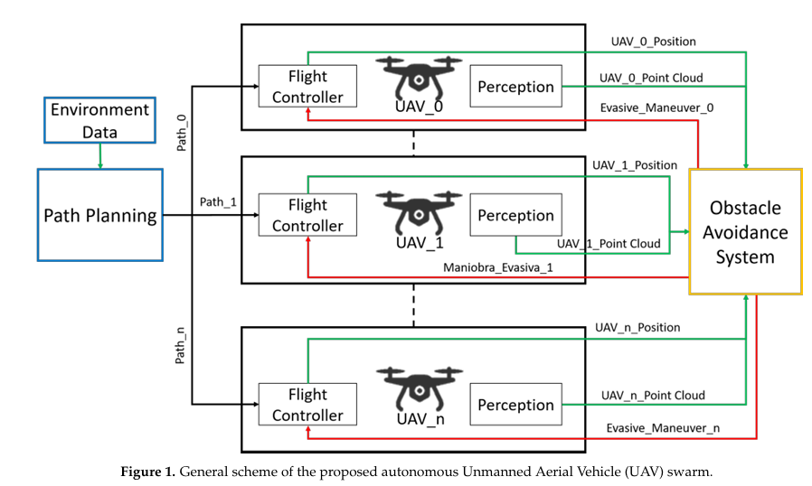 | Real-world experimental measurements for connectivity and QoS parameters.Global Path Planner: Probabilistic Road Maps (PRM) and A* algorithm for 2D and 3D path planning. Trajectory Smoothing: Line of Sight (LoS)-based methods for smoothing paths. Collision Detection and Avoidance: Centralized and decentralized methods for collision avoidance. Deep Reinforcement Learning (DRL): Deep Q-Network (DQN) for autonomous decision-making. | Simulation Tools: ROS (Robot Operating System) and Gazebo for simulation and validation. | not mentioned | Path Planning: Number of waypoints, total distance traveled, and computation time for path generation and smoothing. Collision Avoidance: Success rate in avoiding collisions with static and dynamic obstacles. Deep Reinforcement Learning: Accumulated reward, distance to target, and accuracy in reaching the target location. Mission Efficiency: Total distance traveled by UAVs and time taken to complete missions. | 5 | not mentioned | Sonar Sensors: Used for obstacle detection and distance measurement. GPS: For positioning and navigation of UAVs. Onboard Cameras: For visual information and potential future integration with DL-based 3D mapping. IMU (Inertial Measurement Unit): For orientation and stability control of UAVs.
12 | 2020 | Joshua Cherian Varughese, Hannes Hornischer, PayamJoshua Cherian Varughese, Hannes Hornischer, Payam Zahadat, Ronald Thenius, Franz Wotawa, Thomas Schmickl Zahadat, Ronald Thenius, Franz Wotawa, Thomas Schmickl | Department of Zoology, Institute of Biology, University of Graz, Graz, Austria Institute of Software Technology, Graz University of Technology, Graz, Austria | IOP Publishing | Journal | Bioinspiration & Biomimetics | Swarm intelligence, swarm robotics , wave-oriented swarm paradigm (WOSP) | Swarm intelligence, swarm robotics, minimalistic communication, bioinspiration, self-organization, wave-oriented swarm paradigm (WOSP), slime mold, fireflies, collective behaviors, decentralized control. | The paper identifies that while many swarm intelligence algorithms exist, there is a lack of a unified framework that can enable a wide range of collective behaviors using minimalistic communication. Most existing approaches rely on complex communication or lack the ability to unify diverse swarm behaviors under a single paradigm. | Development of a formal syntax and grammar for a programming language based on the WOSP paradigm. Exploration of interleaved execution of primitives using multi-bit communication for more complex behaviors. Addressing practical challenges in real-world implementations, such as connectivity loss during swarm expansion. Further research into scalability and parameter optimization for different swarm sizes and environments. | The paper aims to present a unified design paradigm (Wave-Oriented Swarm Paradigm, WOSP) that enables swarms to exhibit a wide range of collective behaviors using minimalistic single-bit communication. The goal is to demonstrate that complex swarm behaviors can emerge from simple agent-level interactions. | The paper reviews existing swarm intelligence and swarm robotics research, highlighting algorithms inspired by natural systems such as particle swarm optimization, BEECLUST, and collective transport algorithms. It discusses the lack of a unified framework for swarm behaviors and mentions related work in amorphous computing, Buzz programming language, and human-swarm interfaces. The authors emphasize the need for a minimalistic communication approach to unify diverse swarm behaviors. | To develop and demonstrate a minimalistic communication paradigm (WOSP) that can unify various swarm behaviors, enabling swarms to perform complex tasks with simple, decentralized communication. | Introduction of the Wave-Oriented Swarm Paradigm (WOSP), which unifies multiple swarm behaviors using single-bit communication. Demonstration of various swarm primitives such as leader election, synchronization, aggregation in both simulation and real robotic experiments. Empirical validation of the paradigm through simulations and robotic experiments. Guidelines for parameter selection and scalability of the WOSP paradigm. | 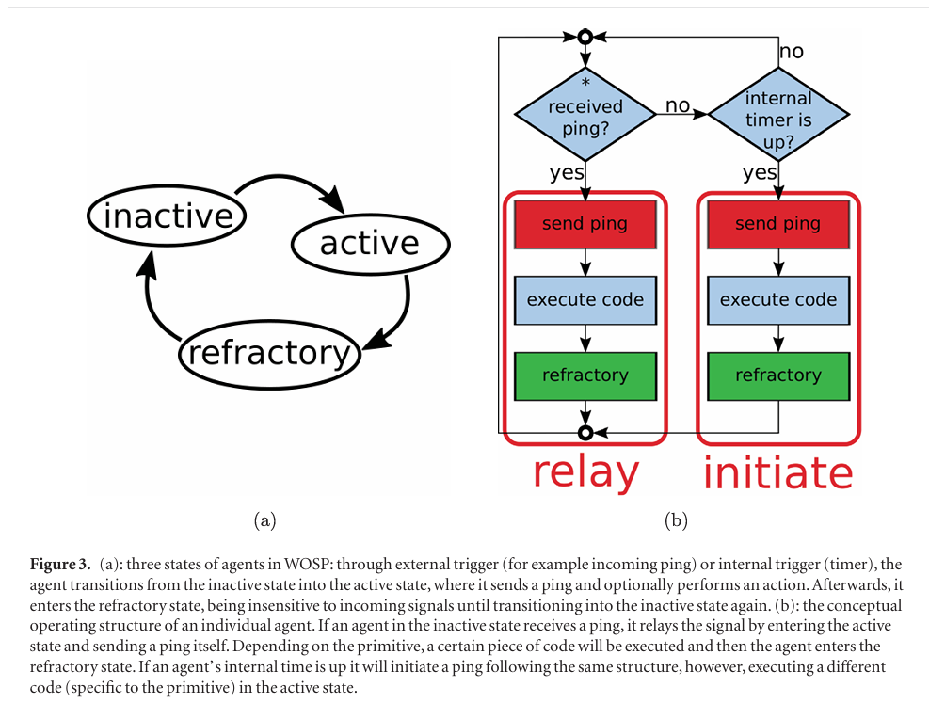 | Multiple Traveling Salesmen Problem (mTSP) for coverage path design.Communication Mechanism: Single-bit "ping" signals inspired by slime mold and fireflies. Robotic Platforms: Modified Thymio-II robots integrated with Raspberry Pi and blue-light communication modules. | Yes, numerical simulations were used to validate the proposed primitives and analyze the behavior of the swarm under different conditions. | not mentioned | Order Parameter (Δφ_max): Used to measure synchronization in the swarm. Root Mean Square Distance (R_rms): Used to measure the spread of the swarm during aggregation. Percentage Deviation (N_err): Used to measure the accuracy of swarm size estimation. Convergence Time (τ): Used to measure the time taken for primitives like leader election and aggregation to converge. | 3 | not mentioned | Directional Communication Sensors: Agents are assumed to have directional sensors to detect the direction of incoming "ping" signals. Blue-Light Modules: Used in the robotic experiments for directional communication, with an angular resolution of 90°. Obstacle Avoidance Sensors: Integrated into the Thymio-II robots for obstacle avoidance during aggregation.
13 | 2020 | Xi Chen, Jun Tang, Songyang Lao | College of Systems Engineering, National University of Defense Technology, Changsha, China | MDPI (Multidisciplinary Digital Publishing Institute) | Journal | Applied Sciences | Unmanned , Aerial Vehicle Swarm , Routing Protocols | Ad hoc Network, communication architecture, routing protocol, systematic review, UAV Swarm, Unmanned Aerial Vehicle | The paper identifies that while UAV swarms are increasingly used in various applications, there is a lack of comprehensive reviews on communication architectures and routing protocols specifically designed for UAV swarms. Existing routing protocols often fail to address the high mobility, dynamic topology, and scalability challenges of UAV swarms. | Development of robust algorithms for detecting and recovering from gateway UAV failures in multi-layer architectures. Solutions for intermittent connectivity issues caused by the high mobility of UAVs. Integration of security components into routing protocols for UAV swarms. Energy-efficient routing protocols tailored for UAV networks. Compatibility of UAV communication networks with other networks in diverse mission scenarios. | The paper aims to provide a systematic review of communication architectures and routing protocols for UAV swarms, highlighting their advantages, disadvantages, and applicable scenarios. It also identifies open research issues to spur further advancements in UAV swarm communication. | The paper reviews existing communication architectures and routing protocols for UAV swarms, including centralized, decentralized, single-group, multi-group, and multi-layer architectures. It also discusses various routing protocols such as topology-based, geographic/position-based, and swarm intelligence-based protocols. The review highlights the limitations of traditional routing protocols in handling the dynamic and mobile nature of UAV swarms. | To systematically review and compare different communication architectures and routing protocols for UAV swarms, and to identify open research challenges in this domain. | Comprehensive review of four communication architectures and their applicability in UAV swarms. Detailed classification and analysis of routing protocols, including topology-based, geographic/position-based, and swarm intelligence-based protocols. Identification of open research issues and future directions for UAV swarm communication. |  | Communication Architectures: Centralized, decentralized, single-group, multi-group, and multi-layer architectures. Routing Protocols: Topology-based (OLSR, DSDV, DSR, AODV), geographic/position-based (GPSR, GLSR), and swarm intelligence-based (IAFSA, BeeAdhoc, APAR) protocols. | not mentioned | not mentioned | Packet Delivery Ratio: Measures the reliability of data transmission. Latency: Measures the delay in data transmission. Routing Overhead: Measures the control messages required for routing. Scalability: Measures the ability of the protocol to handle large networks. Robustness: Measures the ability to handle node failures and dynamic topology changes. | 3 | not mentioned | not mentioned
14 | 2021 | Hannes Hornischer, Joshua Cherian Varughese, Ronald Thenius, Franz Wotawa, Manfred Füllsack, Thomas Schmickl | Artificial Life Laboratory, Department of Zoology, Institute of Biology, University of Graz, Graz, Austria Institute of Systems Sciences, Innovation and Sustainability Research, University of Graz, Graz, Austria Institute for Software Technology, Graz University of Technology, Graz, Austria | SAGE Publications | Journal | Adaptive Behavior | Swarm robotics, collective decision-making , decentralized self-organization, autonomous robotic swarms | Swarm robotics, collective decision-making, bioinspiration, decentralized self-organization, autonomous robotic swarms | The paper addresses the challenge of collective decision-making in decentralized robotic swarms with limited communication abilities, particularly in dynamic and inaccessible environments. The research gap lies in developing an algorithm that allows swarms to maximize information gathering without relying on a central decision-maker or global information. | The authors suggest further implementation and testing of the CIMAX algorithm on larger swarms and in real-world field conditions, particularly within the framework of the subCULTron project. They also recommend exploring the algorithm's adaptability to more complex environmental parameters and scenarios involving multiple quantities. | The purpose of the paper is to present the CIMAX algorithm, which enables a swarm of robots to collectively maximize the amount of information gathered by the swarm as a whole. The algorithm is designed for underwater swarm robots to monitor and document environmental phenomena such as oxygen depletion (anoxia) in the Venice lagoon. | The paper reviews existing approaches to collective decision-making in swarm robotics, categorizing them into three main mechanisms: (1) hierarchical decision-making, (2) opinion averaging, and (3) opinion amplification. It also discusses related work in mobile wireless sensor networks (MWSN) and exploration strategies using multiple robots. The authors highlight the limitations of existing approaches, such as the need for global information or centralized control, and propose CIMAX as a decentralized alternative. | The objective of the paper is to develop and validate an algorithm (CIMAX) that allows a swarm of robots to collectively decide on a direction to move in order to maximize the diversity of information gathered by the swarm, using only local communication and without a central decision-maker. | The paper contributes the CIMAX algorithm, which enables decentralized collective decision-making in robotic swarms. The algorithm is validated through both simulations and real robotic experiments, demonstrating its effectiveness in maximizing information gathering in dynamic environments. | 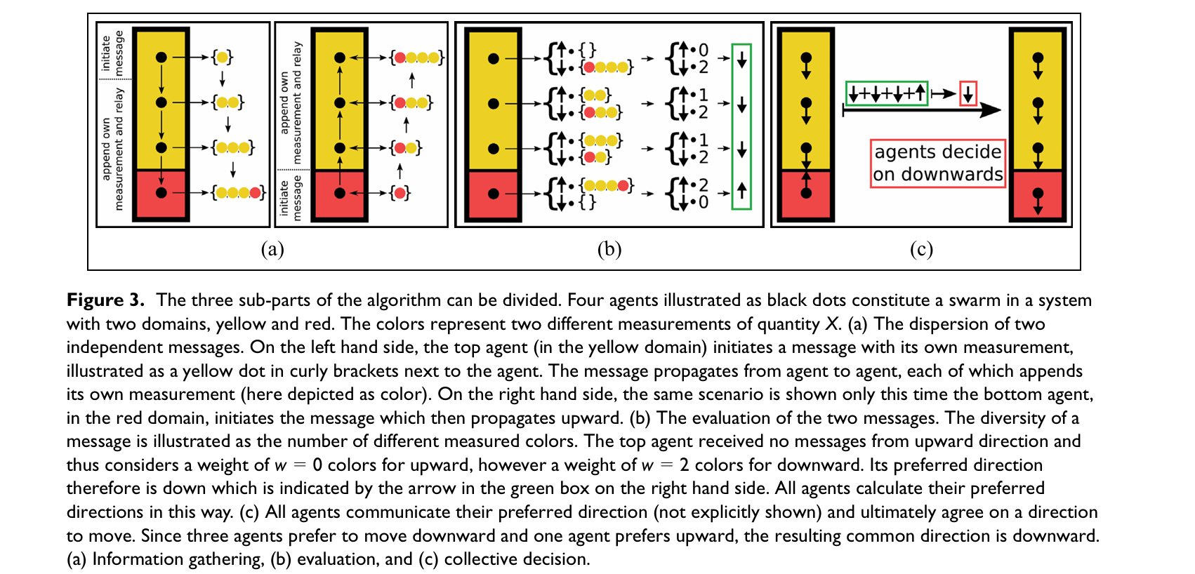 | Algorithm: CIMAX (Collective Information Maximization) Communication Mechanism: Local communication using modulated light (inspired by slime mold and fireflies) Robots: aMussel robots (used in the subCULTron project) Experimental Setup: One-dimensional lab setup with four aMussel robots to demonstrate the algorithm's feasibility | Yes, used Python-based simulations to test the CIMAX algorithm in different environmental scenarios, including discrete and gradient distributions of environmental factors. | not mentioned | Success Rate: The algorithm achieved a 100% success rate in simulations for discrete environmental changes and varying success rates (85%-100%) for gradient changes. Time to Success: The time taken for the swarm to reach the target area (e.g., border between two domains) was measured in negotiation periods, with shorter times observed for steeper gradients. Connectivity: The algorithm's performance was evaluated based on the swarm's connectivity, with a minimum of three neighbors per agent required for consistent functionality. | 4 | The paper presents a decentralized model for collective decision-making in swarm robotics | Oxygen Sensors: Used in the aMussel robots for monitoring oxygen levels in the Venice lagoon. Ambient Light Sensors: Used in the lab experiments to emulate oxygen gradients by measuring light intensity. Communication Sensors: Modulated light for local communication between robots.
15 | 2020 | Ángel Madridano, Abdulla Al-Kaff, Pablo Flores, David Martin, Arturo de la Escalera | Intelligent Systems Lab (LSI), Universidad Carlos III de Madrid, Spain Drone Hopper S.L., Madrid, Spain | IEEE | Conference | 2020 International Conference on Unmanned Aircraft Systems (ICUAS) | autonomous navigation, collision avoidance, UAV swarm, obstacle avoidance | UAV swarm, obstacle avoidance, Velocity Obstacle (VO), LiDAR, Probabilistic Roadmaps (PRM), autonomous navigation, collision avoidance | The paper addresses the challenge of ensuring safe navigation for UAV swarms in complex environments, particularly in detecting and avoiding both static and dynamic obstacles. The research gap lies in combining centralized and decentralized approaches to manage collisions within the swarm and with external obstacles, while minimizing computational resources and ensuring real-time performance. | The authors recommend further testing and validation of the proposed methods on real UAV platforms. They also suggest adapting the safety thresholds based on obstacle speed and distance, and exploring the applicability of these methods to other autonomous vehicles and full-coverage problems. | The purpose of the paper is to present an obstacle avoidance manager for UAV swarms that combines two complementary methods: (1) a centralized velocity control system to avoid collisions within the swarm, and (2) a decentralized LiDAR-based system to detect and avoid external obstacles. The goal is to ensure safe autonomous navigation in complex environments. | The paper reviews various approaches to collision avoidance in UAV swarms, including Artificial Potential Fields (APF), Velocity Obstacles (VO), bio-inspired algorithms, sampling-based methods, and learning-based methods. The authors highlight the limitations of these approaches, such as local minima in APF, dependency on vehicle models in VO, and the need for offline training in learning-based methods. They propose a hybrid approach that combines centralized velocity control with decentralized LiDAR-based obstacle detection to address these limitations. | The objective of the paper is to develop and validate an obstacle avoidance manager for UAV swarms that ensures safe navigation by avoiding collisions both within the swarm and with external obstacles, using a combination of centralized velocity control and decentralized LiDAR-based path re-planning. | The paper contributes a hybrid obstacle avoidance manager for UAV swarms that combines centralized velocity control (based on Velocity Obstacle) and decentralized LiDAR-based path re-planning (using Probabilistic Roadmaps). The system is validated through simulations, demonstrating its effectiveness in avoiding collisions in complex environments. |  | Algorithm: Velocity Obstacle (VO) for intra-swarm collision avoidance, Probabilistic Roadmaps (PRM) for external obstacle avoidance. UAV Model: SkyOnyx UAV model. | Yes, used Gazebo as the simulation environment and the Hector_Quadrotor ROS package for simulating UAV dynamics and control. | not mentioned | Success Rate: The velocity control algorithm successfully avoided collisions within the swarm by dynamically adjusting UAV speeds based on proximity. Path Re-planning Efficiency: The LiDAR-based PRM algorithm effectively re-planned paths to avoid external obstacles, minimizing the distance traveled. Computational Efficiency: The centralized velocity control reduced computational overhead, while the decentralized LiDAR-based system allowed real-time obstacle detection and path re-planning. | 4 | The paper presents a hybrid model combining centralized velocity control (for intra-swarm collision avoidance) and decentralized LiDAR-based path re-planning (for external obstacle avoidance). The model is designed to ensure safe navigation in complex environments. | LiDAR: Used for detecting external obstacles and generating 3D occupancy maps for path re-planning. GPS: Used for centralized velocity control to avoid collisions within the swarm.
16 | 2021 | Abhishek Sharma, Shraga Shoval, Abhinav Sharma, Jitendra Kumar Pandey | Research and Development Department, School of Engineering, University of Petroleum & Energy Studies, Bidholi, Dehradun, 248007, India Department of Industrial Engineering & Management, Ariel University, Ariel, 40700, Kiryat hamada, Israel Department of Electrical and Electronics Engineering, School of Engineering, University of Petroleum and Energy Studies, Bidholi, Dehradun, 248007, India School of Basic and Applied Sciences, Adamas University, Kolkata, 700126, West Bengal, India | Taylor & Francis | Journal | IETE Technical Review | 3D Path Planning, PSO (Particle Swarm Optimization), SI (Swarm Intelligence), UAV (Unmanned Aerial Vehicles) | ABC (Artificial Bee Colony), ACO (Ant Colony Optimization), BA (Bat Algorithm), 3D Path Planning, PSO (Particle Swarm Optimization), SI (Swarm Intelligence), UAV (Unmanned Aerial Vehicles) | Existing path planning algorithms for UAV swarms often lack the ability to handle dynamic environments with multiple moving targets and obstacles. Many algorithms suffer from issues like local minima traps, high computational complexity, and slow convergence speeds. Limited focus on the integration of task allocation and path planning for swarm UAVs in interception missions. | Development of hybrid or improved swarm intelligence algorithms to overcome limitations like local minima traps and slow convergence. Exploration of algorithms that can better handle dynamic environments with multiple moving targets and obstacles. Integration of real-time data processing and decision-making capabilities for swarm UAVs in interception missions. | To provide a comprehensive review of swarm intelligence (SI) algorithms for 3D path planning in interception missions by UAV swarms, focusing on target allocation, path optimization, and collision avoidance. | The paper reviews various SI algorithms such as PSO, ACO, ABC, BA, and others for UAV swarm path planning. It discusses the challenges of 3D path planning, including dynamic environments, multiple targets, and obstacles. The paper highlights the strengths and weaknesses of each algorithm in terms of computational complexity, convergence speed, and scalability. It also covers environment modeling, target allocation, and fitness function formulation for UAV swarms. | To review and analyze swarm intelligence algorithms for 3D path planning in UAV swarms. To evaluate the performance of these algorithms in interception missions involving multiple moving targets. To identify improvements and modifications in existing algorithms for better path optimization. | Provides an extensive review of SI-based algorithms for UAV swarm path planning. Critically evaluates the algorithms based on parameters like computational complexity, convergence speed, and scalability. Analyzes environment modeling, target allocation, and fitness function formulation for effective path planning. Offers insights into the limitations of existing algorithms and suggests future directions for improvement. | none | Swarm Intelligence Algorithms: PSO, ACO, ABC, BA, Firefly Algorithm, Bacterial Foraging Optimization, Pigeon-Inspired Optimization, Glowworm Swarm Optimization. Techniques: Environment modeling, target allocation, fitness function formulation, obstacle avoidance. | not mentioned | not mentioned | Computational complexity Convergence speed Scalability Memory of previous states Obstacle avoidance efficiency Path optimization | 5 | The paper discusses various swarm intelligence models such as PSO, ACO, ABC, BA, and others for UAV swarm path planning. These models are used for task allocation, path optimization, and collision avoidance in 3D environments. | not mentioned
17 | 2021 | Amjaad Alhaqbani and Kamal Youcef-Toumi | Computer Science Department, College of Computer and Information Sciences, King Saud University, Riyadh, Saudi Arabia Space and Aeronautics Research Institute, King Abdulaziz City for Science and Technology (KACST), Riyadh, Saudi Arabia Mechanical Engineering Department, Massachusetts Institute of Technology (MIT), Cambridge, MA, USA | MDPI (Multidisciplinary Digital Publishing Institute) | Journal | Remote Sensing | search and rescue , unmanned aerial vehicle | Disaster risk management, search and rescue, remote sensing, task allocation, bio-inspired algorithms, unmanned aerial vehicle, fish | The paper identifies that the multi-UAV task allocation (MUTA) problem, especially in dynamic and constrained environments like search and rescue (SAR) missions, is understudied. Additionally, the potential of fish-inspired algorithms for addressing this problem has not been explored. | Enhance FIAM by implementing an adaptive policy based on fleet size to improve mean rescue time for small UAV fleets. Examine FIAM performance at different scales of search areas and other multi-UAV-related problems, such as path finding and flight formation. Apply FIAM to other missions beyond SAR, such as agriculture and military applications. | The paper aims to introduce a novel fish-inspired algorithm (FIAM) for task allocation in multi-UAV search and rescue missions, addressing the challenges of dynamic and constrained environments. | The paper reviews various approaches to task allocation, including opportunistic task allocation (OTA), auction-based algorithms, and bio-inspired algorithms like ant-colony optimization (ACO) and locust-inspired algorithms (LIAM). It highlights the limitations of these approaches in dynamic environments like SAR missions and emphasizes the need for more adaptive and efficient algorithms. | To develop and evaluate a fish-inspired algorithm (FIAM) for efficient task allocation in multi-UAV search and rescue missions, focusing on maximizing the number of rescued survivors and minimizing rescue time. | A new fish-inspired algorithm (FIAM) for task allocation in multi-UAV SAR missions. Customization of FIAM to address the challenging constraints of SAR missions. A controlled experimental framework to evaluate FIAM's performance at different problem scales. | 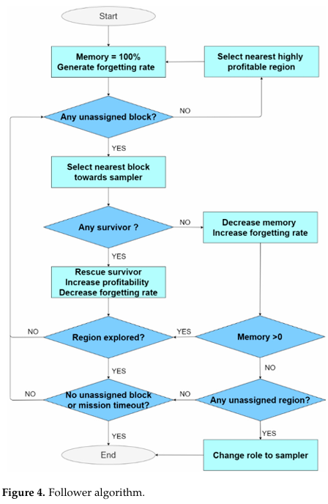 | Algorithm: Fish-Inspired Algorithm for Multi-UAV Missions (FIAM). Benchmark Algorithms: OTA, Auction, ACO, and LIAM. | Yes, MASPlanes++ (a Java-based multi-UAV mission simulator) was used to simulate SAR missions. | Data Sets: Simulated SAR mission scenarios with varying numbers of UAVs (4 to 128) and survivors (2 to 4096). The paper uses simulated data sets representing a disaster area of 111 × 111 regions, with each region containing nine 3m × 3m blocks. Survivors were randomly placed in the area, with hotspots indicating higher survivor concentrations. The number of UAVs and survivors were varied logarithmically to test the algorithm's scalability. | Percentage of rescued survivors (net throughput). Mean rescue time. Algorithm running time. | 5 | The paper proposes a fish-inspired model (FIAM) for task allocation in multi-UAV SAR missions, mimicking the schooling and foraging behavior of fish. | not mentioned
18 | 2021 | Afzal Ahmad, Viktor Walter, Pavel Petracek, Matej Petrik, Tomas Baca, David Zaitlik, and Martin Saska | Faculty of Electrical Engineering, Czech Technical University in Prague, Czech Republic | IEEE (Institute of Electrical and Electronics Engineers) | Conference | IEEE International Conference on Robotics and Automation (ICRA) | Autonomous aerial swarming , decentralized control, bio-inspired flocking, UAVs, relative localization, obstacle avoidance | Autonomous aerial swarming, GNSS-denied environments, high obstacle density, decentralized control, bio-inspired flocking, UAVs, relative localization, obstacle avoidance | The paper addresses the challenge of operating UAV swarms in GNSS-denied environments with high obstacle density, where global localization and communication are unreliable. Existing solutions often rely on GNSS or inter-agent communication, which are not feasible in such environments. | Improve the detection and estimation of occluded objects in outdoor environments. Explore the use of smaller and more lightweight platforms for swarm applications. Extend the framework to more complex scenarios, such as search and rescue (SAR) and forest fire-fighting. | To propose a fully decentralized, bio-inspired control law for UAV swarms that enables safe flocking in GNSS-denied, high-obstacle-density environments using only onboard sensors. | The paper reviews existing work on decentralized robotic swarms, highlighting limitations in laboratory-like conditions and reliance on GNSS or communication. It discusses various methods for relative localization, such as UWB, computer vision, and the UVDAR system, and emphasizes the need for a robust, infrastructure-independent approach for real-world applications. | To develop and validate a decentralized, bio-inspired flocking control law for UAV swarms that operates without GNSS or inter-agent communication, enabling safe navigation in high-obstacle-density environments. | A fully decentralized, bio-inspired flocking control law for UAV swarms. Validation of the approach in both simulated and real-world environments (natural forest). Demonstration of the utility of onboard relative localization for autonomous multi-UAV applications in GNSS-denied environments. |  | Algorithm: Bio-inspired flocking control law. Hardware: DJI f450 quadrotor platform with Pixhawk 4 flight controller and Intel NUC8i7BEH onboard computer. | Yes, Gazebo robot simulator with ROS was used for initial testing and parameter tuning. | The paper uses a recorded 3D model of a natural forest for simulation and conducts real-world experiments in a natural forest environment. The data includes flight trajectories and relative localization data from the UVDAR system. | Self-aggregation and flocking performance in high-obstacle-density environments. Ability to navigate through complex environments without GNSS or communication. Robustness to occlusions and measurement noise in real-world conditions. | 5 | The paper proposes a bio-inspired flocking model based on Reynolds' flocking rules, adapted for UAV swarms in GNSS-denied, high-obstacle-density environments. | UVDAR System: UV LEDs and UV cameras for relative localization. LIDAR: Slamtec RPLIDAR A3 for SLAM and obstacle detection. Laser Range Finder: Garmin LIDAR-Lite v3 for height estimation.
19 | 2020 | Hao Xu, Luqi Wang, Yichen Zhang, Kejie Qiu, Shaojie Shen | Not mentioned | IEEE | Conference | 2020 IEEE International Conference on Robotics and Automation (ICRA) | Decentralized state estimation , Aerial swarm | Decentralized state estimation , Aerial swarm , Visual-inertial-UWB fusion , Relative state estimation , UAV collaboration , Sensor fusion | Existing methods for relative state estimation in aerial swarms rely on external systems like GPS or motion capture, which are not suitable for unknown environments. Vision-based methods are limited by the field of view (FoV) and cannot estimate the state of drones outside the camera's FoV. UWB-based methods often require external anchors and lack precision. There is a lack of a fully decentralized, robust, and flexible relative state estimation framework for aerial swarms. | Expand the system to perform safe flights in cluttered environments. Develop collaborative search and rescue tasks based on the proposed framework. Explore different control and planning algorithms for aerial swarms using the relative state estimation framework. | To propose a novel decentralized visual-inertial-UWB fusion framework for relative state estimation in aerial swarms, enabling robust and flexible state estimation without relying on external sensors or GPS. | Previous research on aerial swarms focused on planning and control, often relying on external positioning systems like GPS, motion capture, or UWB with anchors. Vision-based methods require markers and are limited by the camera's FoV. UWB-based methods often require external anchors and have precision issues. The paper reviews existing UWB and vision-based methods, highlighting their limitations in terms of decentralization, precision, and applicability in unknown environments. | To develop a fully decentralized, robust, and flexible relative state estimation framework for aerial swarms using visual-inertial-UWB fusion, eliminating the need for external sensors or GPS. | A novel decentralized visual-inertial-UWB fusion framework for relative state estimation in aerial swarms. The framework is robust, flexible, and does not rely on external sensors or GPS. Demonstrated centimeter-level precision in experiments, outperforming existing UWB and vision-based methods. The system is capable of handling scenarios where drones are out of the camera's FoV. |  | On-board Computer: DJI Manifold2-G with Nvidia TX-2 chip. Software: VINS-Fusion (visual-inertial state estimator), YOLOv3-tiny (object detection), MOSSE tracker, Ceres-solver (optimization). Communication: UWB modules for broadcasting data at 100Hz. | No simulator was used | The ground truth data was obtained from an OptiTrack motion capture system for comparison. | Precision: Centimeter-level precision in relative state estimation. RMSE: 5cm level in aggressive flight scenarios with 2 drones. Consistency: Demonstrated consistent relative state estimation in a 5-drone formation flight. Optimization Time: Reduced from 686.6ms to 169.6ms after pruning, ensuring real-time performance. | 4 | The paper proposes a two-stage optimization-based relative state estimation model: First Stage: Visual-inertial odometry (VIO) using VINS-Fusion. Second Stage: Fusion of VIO, UWB distance measurements, and visual detection/tracking for relative state estimation. | Stereo Camera: Intel RealSense D435i for visual data. IMU: Embedded in the DJI N3 flight controller for inertial data. UWB Modules: Nooploop UWB modules for distance measurements. On-board Computer: DJI Manifold2-G with Nvidia TX-2 chip for processing.
20 | 2021 | Na Geng, Zhiting Chen, Quang A. Nguyen, Dunwei Gong | School of Electrical Engineering and Automation, Jiangsu Normal University, Xuzhou, China School of Computer Science, Coventry University, Coventry, UK School of Information and Control Engineering, China University of Mining and Technology, Xuzhou, China | Springer | Journal | Complex & Intelligent Systems | Robot rescue , Task allocation , Particle Swarm Optimization (PSO) , Swarm intelligence | Robot rescue , Task allocation , Particle Swarm Optimization (PSO) , Interval constraints , Uncertain time constraints , Swarm intelligence | Existing methods for robot rescue task allocation often neglect the uncertainty in survival time, which is critical in real-world scenarios. Traditional methods like behavior-based algorithms, market-based algorithms, and linear planning methods either lack global optimal solutions or are computationally expensive. There is a lack of robust algorithms that can handle uncertain time constraints effectively in rescue scenarios. | Integrate uncertain velocity models for robots, as velocity can vary due to terrain complexity and detection accuracy. Explore distributed systems for rescue in extremely complex environments. Incorporate advanced AI and machine learning techniques like Transfer Learning and Reinforcement Learning to handle scenarios with incorrect or insufficient data. | To propose a modified Particle Swarm Optimization (PSO) algorithm, called Task Allocation PSO (TAPSO), for solving the robot rescue task allocation problem under uncertain time constraints, aiming to maximize the number of successful rescue tasks. | Traditional methods for task allocation include behavior-based algorithms, market-based algorithms, and linear planning methods, but they often fail to provide global optimal solutions or are computationally expensive. PSO and its variants have been used for task allocation but lack the ability to handle uncertain time constraints effectively. The paper reviews existing methods and highlights the need for a robust algorithm that can handle uncertainty in survival time and provide optimal solutions. | To develop a modified PSO algorithm (TAPSO) that can efficiently allocate rescue tasks to robots under uncertain time constraints, maximizing the number of successful rescues. | A novel TAPSO algorithm that incorporates interval-based fitness evaluation to handle uncertain survival time constraints. Improved particle decoding and global best solution update strategies to enhance the algorithm's performance. Demonstrated effectiveness through extensive simulations, showing that TAPSO outperforms other algorithms like CPSO, GA, and CBBA in complex rescue scenarios. | none | Algorithm: Modified Particle Swarm Optimization (TAPSO). Comparison Algorithms: Canonical PSO (CPSO), Genetic Algorithm (GA), and Consensus-Based Bundle Auction (CBBA). Parameters: Population size of 100, evolutionary generation of 400, and survival time threshold of 100 seconds. | For Simulation Environment MATLAB R2013a was used. | not mentioned | Number of Successful Rescues: The primary performance metric, measured as the number of survivors rescued within the uncertain survival time constraints. CPU Running Time: The time taken by the algorithm to find the optimal solution. Comparison with Other Algorithms: TAPSO was compared with CPSO, GA, and CBBA, showing superior performance in terms of the number of successful rescues. | 5 | TAPSO (Task Allocation PSO): A modified version of PSO that incorporates interval-based fitness evaluation, improved particle decoding, and a dynamic global best solution update strategy to handle uncertain time constraints in rescue scenarios. | not mentioned
21 | 2023 | Maria-Theresa Oanh Hoang, Kasper Andreas Rømer Grøntved, Niels van Berkel, Mikael B. Skov, Anders Lyhne Christensen, and Timothy Merritt | Aalborg University, Aalborg, Denmark (Hoang, van Berkel, Skov, Merritt) University of Southern Denmark, Odense, Denmark (Grøntved, Christensen) | Springer Nature Switzerland AG | Journal | Cultural Robotics: Social Robots and Their Emergent Cultural Ecologies | search and rescue , Drone swarms. | Drone swarms, search and rescue (SAR), human-swarm interaction, situational awareness, visualization, team culture, public perception, emergency services, UAVs, swarm behavior, swarm control interfaces. | Limited understanding of how drone swarms can be integrated into the working practices of emergency response teams. Lack of research on user interfaces for controlling and managing drone swarms in SAR operations. Insufficient exploration of the interaction between drone swarms and other parties in the airspace. Public perception and acceptance of drone swarms in SAR missions remain underexplored. | Develop more advanced swarm control interfaces that balance simplicity and functionality. Conduct further studies on the feasibility of monitoring multiple drone feeds simultaneously. Investigate the role of automation in reducing operator workload and improving situational awareness. Explore public perception and ways to communicate the purpose of drone swarms during SAR missions. Test and evaluate the effectiveness of drone swarms in various SAR scenarios, including residential areas. | To explore the challenges and opportunities of using drone swarms in search and rescue operations, focusing on the development of user interfaces for swarm control and the integration of drone swarms into emergency response practices. | UAVs for Emergency Settings: UAVs are increasingly used in emergency situations due to their short deployment time and ability to minimize human involvement in hazardous environments. They are used for visual surveillance, firefighting, and SAR missions. UAV Swarm Behavior and Control: Research has explored algorithms for autonomous swarm behavior, inspired by animal swarms (e.g., bees, birds). Control methods include leader-follower models, beacon controls, and automated search patterns. User Interfaces for Human-Swarm Interaction: Controlling multiple drones simultaneously requires interfaces that reduce visual clutter and maintain situational awareness. Studies emphasize the importance of displaying only key information to avoid overwhelming the operator. | To investigate the challenges and opportunities of using drone swarms in SAR operations, focusing on user interface design, situational awareness, and integration into emergency response practices. | Identified five key research challenges for drone swarms in SAR: visualization, situational awareness, technical issues, team culture, and public perception. Developed initial prototypes for drone swarm control interfaces and conducted evaluations with emergency services personnel. Provided insights into the potential benefits and challenges of transitioning from single drones to drone swarms in SAR missions. |  | Interviews with emergency services personnel (Danish Emergency Management Agency - DEMA). Prototype development for drone swarm control interfaces using web technologies and DJI flight controllers. Physical drones for demonstration and evaluation. | not mentioned | not mentioned | Visualization: The prototype interface was evaluated for its ability to provide clear and concise information to operators. Situational Awareness: The study explored how operators could maintain awareness of multiple drones and their feeds. Technical Issues: The robustness of the system in harsh conditions and the need for backup devices were discussed. Team Culture: The impact of drone swarms on team dynamics and roles was considered. Public Perception: The potential public reaction to drone swarms in SAR missions was explored. | 5 | not mentioned | Cameras (visible light and thermal imaging). Microphones. Loudspeakers. | Drone Battery: Limited flight time due to battery capacity. Terrain and Weather: Harsh conditions can affect drone performance. Communication: Ensuring reliable communication between multiple drones and the operator. Public Perception: Managing how the public perceives drone swarms during SAR missions. Regulatory Compliance: Adhering to flight regulations, especially in residential areas. | Search Patterns: Testing different search patterns (e.g., spiral, scatter) for drone swarms. Situational Awareness: Evaluating how operators manage multiple drone feeds. Automation: Testing the effectiveness of automated detection and alert systems. Public Interaction: Exploring ways to communicate with the public during SAR missions. Team Dynamics: Assessing how the introduction of drone swarms affects team roles and responsibilities. | Drone Battery Capacity : Drones are used for extended missions, implying the need for efficient battery usage. Missions often involve harsh terrain and weather conditions, which can drain battery life faster. Time for Survivors: Time is critical in SAR operations, and drone swarms aim to reduce the time required to locate survivors. The faster the swarm can cover the area, the higher the chance of finding survivors in time. Swarm Coordination: Drones and robots need to work together efficiently, which requires robust communication and coordination algorithms. Environmental Challenges: Harsh terrain and weather conditions can affect both drone and robot battery life and performance. Autonomy: The system should be partially autonomous to reduce the cognitive load on operators
22 | 2024 | Luong Vuong Nguyen | Department of Artificial Intelligence, FPT University, Danang, Vietnam | MDPI (Multidisciplinary Digital Publishing Institute) | Journal | AppliedMath | Swarm intelligence, swarm robots, decentralized systems, self-organization, emergent behavior, Particle Swarm Optimization (PSO). | Swarm intelligence, multi-robotics, swarm robots, decentralized systems, self-organization, emergent behavior, Ant Colony Optimization (ACO), Particle Swarm Optimization (PSO), Firefly Algorithm (FA), Cuckoo Search (CS), Bat Algorithm (BA). | Limited understanding of how swarm intelligence (SI) can be effectively applied to multi-robot systems in real-world scenarios. Challenges in scalability, robustness, communication, and coordination in large-scale swarm robotics. Lack of comprehensive frameworks for integrating heterogeneous robots with varying capabilities into cohesive swarm systems. Insufficient exploration of the unpredictability of emergent behaviors in swarm systems. Need for more research on energy efficiency and adaptability in dynamic environments. | Develop more advanced swarm control algorithms that balance local autonomy with global coordination. Investigate the integration of AI and machine learning to enhance decision-making in swarm robotics. Explore hybrid approaches that combine local and global information sharing to improve swarm performance. Conduct extensive field testing to bridge the gap between theoretical models and real-world applications. Focus on reducing maintenance and scalability costs through modular design and advanced manufacturing techniques. Address security concerns in swarm robotics, particularly in sensitive or hostile environments. | To provide a comprehensive review of swarm intelligence (SI) and its application to multi-robot systems, highlighting foundational principles, key algorithms, practical implementations, challenges, and future directions. | Foundational Concepts: SI is inspired by the collective behavior of social insects like ants, bees, and birds. Key principles include decentralization, self-organization, emergent behavior, and local interactions. SI Algorithms: The paper reviews various SI algorithms, including Ant Colony Optimization (ACO), Particle Swarm Optimization (PSO), Firefly Algorithm (FA), Cuckoo Search (CS), and Bat Algorithm (BA). These algorithms are inspired by natural behaviors and have been applied to optimization problems in multi-robot systems. Applications: SI has been applied in search and rescue, environmental monitoring, agriculture, and space exploration. These applications leverage the robustness, scalability, and adaptability of swarm systems. Challenges: Key challenges include scalability, robustness, communication, coordination, heterogeneity, energy efficiency, adaptability, and security. Limitations: Limitations of SI-based multi-robotics include limited individual robot capabilities, algorithmic complexity, unpredictability, dependence on local information, interference, and difficulty in real-world implementation. | To provide an overview of the foundational principles and algorithms of swarm intelligence. To examine the application of SI in key domains such as search and rescue, environmental monitoring, agriculture, and space exploration. To identify and discuss the primary challenges and risks of using SI in multi-robot systems. To propose future research directions and strategies for improving the reliability and effectiveness of SI in multi-robotics. | Provides a detailed taxonomy of swarm intelligence research, categorizing key contributions and areas of focus. Explores a wide range of applications where SI can be effectively deployed, demonstrating its versatility and potential impact. Identifies and analyzes the primary challenges of implementing SI in multi-robotic systems, offering insights into current limitations and areas requiring further research. Discusses the inherent limitations of SI and suggests possible solutions to overcome these barriers. | none | Literature review of peer-reviewed journal articles, conference papers, and book chapters from reputable sources (IEEE, Springer, ACM, etc.). Analysis of SI algorithms (ACO, PSO, FA, CS, BA) and their applications in multi-robot systems. Case studies and examples of swarm robotics in various domains. | not mentioned | not mentioned | Convergence Speed: How quickly the algorithm approaches an optimal solution. Scalability: The ability to maintain performance as the number of robots increases. Complexity: Computational demands and ease of implementation. Suitability for Dynamic Environments: The ability to adapt to changes in the environment or problem parameters. | 5 | reviews various swarm intelligence algorithms (ACO, PSO, FA, CS, BA) and their applications in multi-robot systems. | Cameras (for environmental monitoring and search and rescue). Thermal sensors (for detecting heat signatures in search and rescue). Air quality sensors (for environmental monitoring). Humidity and temperature sensors (for environmental monitoring). Echolocation sensors (inspired by the Bat Algorithm). | Scalability: Maintaining efficiency as the number of robots increases. Robustness: Handling individual robot failures without degrading overall performance. Communication: Ensuring reliable information exchange among robots in dynamic environments. Energy Efficiency: Minimizing energy consumption for extended operation in remote or harsh environments. Adaptability: Adjusting to changes in terrain, obstacles, and environmental conditions. Security: Protecting the swarm from malicious attacks or rogue robots. | Search and Rescue: Robots must navigate complex environments to locate and assist distressed individuals. Environmental Monitoring: Robots must cover large areas to collect data on air quality, temperature, humidity, and vegetation health. Agriculture: Robots must perform tasks such as planting, pest control, and harvesting in large agricultural fields. Space Exploration: Robots must map planetary surfaces, discover resources, and construct habitats in harsh environments. | Scalability: The system must handle large numbers of robots without significant performance degradation. Robustness: The swarm should continue functioning even if some robots fail or run out of battery. Communication: Reliable communication between drones and robots is essential for coordination. Energy Efficiency: Algorithms must optimize energy usage to extend mission duration. Drone/Robot Battery: Energy efficiency is a key challenge, especially in remote or harsh environments where recharging is difficult. Algorithms like PSO and RL need to optimize energy consumption during path planning and task allocation.
23 | 2021 | Zool Hilmi Ismail, Mohd Ghazali Mohd Hamami | Centre for Artificial Intelligence and Robotics, Universiti Teknologi Malaysia, Kuala Lumpur, Malaysia Malaysia-Japan International Institute of Technology, Universiti Teknologi Malaysia, Kuala Lumpur, Malaysia Faculty of Mechanical Engineering, Universiti Teknologi MARA Cawangan Johor, Malaysia | MDPI (Multidisciplinary Digital Publishing Institute) | Journal | Applied Sciences (Appl. Sci.) | Artificial Intelligence , Swarm Intelligence , Swarm Robotics | Artificial Intelligence , Swarm Intelligence , Swarm Robotics , Systematic Literature Review , Target Search | Most studies focus on static environments, with limited exploration of dynamic environments. Few papers validate their algorithms on real robot platforms, relying mostly on simulations. Lack of mathematical models for swarm robot interactions and convergence proofs. Limited exploration of hybrid strategies combining multiple techniques. | Dynamic Environment Testing: Future research should test SR strategies in dynamic environments with various target types and values. Real Robot Platform Validation: More experiments should be conducted on real robot platforms to bridge the gap between simulation and real-world applications. Mathematical Modeling: Derive mathematical models of swarm robot interactions and design controllers with convergence proofs. Hybrid Strategies: Explore hybrid strategies that combine multiple techniques to overcome individual limitations. | To provide a systematic literature review (SLR) of swarm robotics (SR) strategies applied to target search problems with environmental constraints, highlighting current state-of-the-art approaches, their performance, and future research directions. | The paper reviews 25 selected articles from 2009 to 2020, focusing on SR strategies for target search problems. The strategies are categorized into four main mechanisms: Bio-inspired Mechanisms: Inspired by natural behaviors like flocking, foraging, and stigmergy. Behavior-based Mechanisms: Focus on subsumption architecture and sensor-based behaviors. Random Strategy Mechanisms: Use random walk methods like Brownian motion and Lévy flight. Hybrid Mechanisms: Combine multiple strategies to enhance performance. The review highlights the dominance of Particle Swarm Optimization (PSO) in SR strategies due to its simplicity and effectiveness in global optimization problems. However, PSO has limitations, such as getting trapped in local minima. Behavior-based strategies are flexible but computationally intensive, while random walk strategies are simple but lose effectiveness as swarm size increases. | To systematically review and analyze SR strategies applied to target search problems, identify research gaps, and provide future recommendations. | A comprehensive review of SR strategies for target search problems. Identification of key research gaps and future directions. Classification of strategies into bio-inspired, behavior-based, random, and hybrid mechanisms. Highlighting the dominance of PSO and its limitations. | 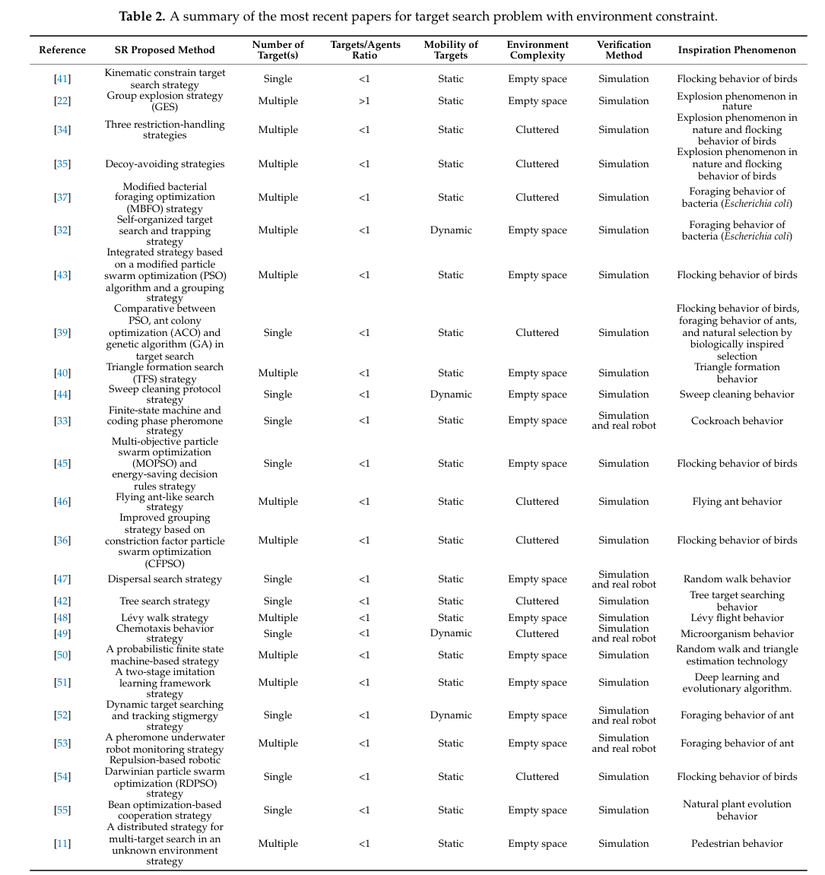 | Algorithms: Particle Swarm Optimization (PSO), Behavior-based strategies, Random Walk (Brownian motion, Lévy flight), Hybrid strategies. | Virtual Robot Experimental Platform (V-REP): Used for simulation-based validation. Kilobots Robot Platform: Used for real robot validation in some studies. | not mentioned | Success Rate: Percentage of successful target searches. Energy Consumption: Efficiency in energy usage during search tasks. Time Consumption: Time taken to locate targets. Adaptability: Ability to adapt to dynamic environments. Scalability: Performance with varying swarm sizes. | 4 | not mentioned | Local Sensing: Robots are equipped with local sensing capabilities for obstacle avoidance and target detection. RFID Tags: Used in some studies for stigmergy-based communication. Vision and Pressure Sensors: Used in behavior-based strategies for input data. | Environment Complexity: Empty space vs. cluttered environments. Target Mobility: Static vs. dynamic targets. Swarm Size: Scalability issues with large swarms. Energy Constraints: Limited battery life for robots. Time Constraints: Survivors may have limited time, requiring fast search algorithms. | Target Search: Locate single or multiple targets in a given environment. Obstacle Avoidance: Navigate around obstacles in cluttered environments. Energy Efficiency: Optimize energy consumption during search tasks. Scalability Testing: Evaluate performance with varying swarm sizes. Dynamic Environment Testing: Test algorithms in environments with moving targets or changing conditions. | Environment Complexity: The system must handle both empty and cluttered environments, which can affect battery life and search time. Verification: Most strategies are tested in simulation, but real-world testing is needed to validate battery life and performance. Dynamic Environments: The system must adapt to changing conditions, which can impact battery usage and search time.
24 | 2024 | Dariusz Marek, Marcin Paszkuta, Jakub Szygula, Piotr Biernacki, Adam Domanski, Marta Szczygieł, Marcel Król, Konrad Wojciechowski | Department of Distributed Systems and Informatic Devices, Faculty of Automatic Control, Electronics and Computer Science, Silesian University of Technology, Poland Polish-Japanese Academy of Information Technology, Poland Polish Academy of Sciences, Institute of Theoretical and Applied Informatics, Poland | MDPI (Multidisciplinary Digital Publishing Institute) | Journal | Applied Sciences | Swarm of drones , Swarm robotics , Collision avoidance , Positioning accuracy , Communication delays | Swarm of drones , Swarm robotics , Software-in-the-loop (SITL) , Industry 4.0 , Simulation environments , Collision avoidance , Positioning accuracy , Communication delays | Limited exploration of dynamic environments in drone swarm simulations. Lack of real-world validation for swarm control algorithms. Need for advanced collision avoidance mechanisms in high-speed swarm operations. Insufficient focus on the impact of communication delays and positioning errors on swarm coordination. | Dynamic Environment Testing: Future research should test swarm control algorithms in dynamic environments with moving obstacles and targets. Real-World Validation: Conduct experiments with real drones to validate simulation results and bridge the gap between simulation and real-world applications. Advanced Collision Avoidance: Develop more sophisticated collision avoidance mechanisms to enable high-speed swarm operations. Improved Communication Systems: Enhance communication systems to reduce delays and improve swarm coordination in complex environments. | To explore the role of software-in-the-loop (SITL) simulations in developing, testing, and validating drone swarm control algorithms, focusing on operational efficiency, adaptability, and collision avoidance in various scenarios. | The paper reviews the growing importance of drone swarms in various domains, including environmental monitoring, crisis management, and military applications. It discusses the challenges of controlling drone swarms, such as communication delays, positioning errors, and collision avoidance. The authors highlight the use of simulation methods, particularly SITL, for testing and validating swarm control algorithms. The paper also references foundational works on swarm robotics, distributed consensus models, and the application of swarm intelligence in adaptive routing and formation control. | To analyze the impact of positioning errors, communication delays, and swarm speed on the coordination and collision avoidance capabilities of drone swarms in a simulated environment. | A detailed analysis of the impact of GPS positioning errors and communication delays on swarm coordination. Development of a leader-based control mechanism for drone swarms. Simulation-based validation of swarm control algorithms using SITL. Identification of minimum safe distances between drones to avoid collisions under various conditions. | 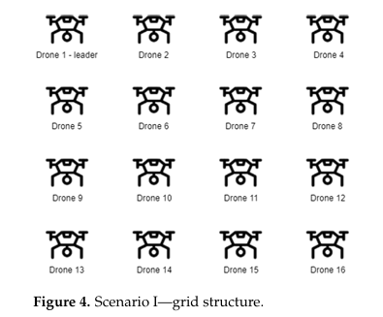 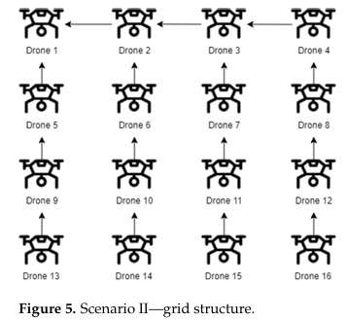 | Algorithms: Leader-based control mechanism, collision avoidance algorithms. Hardware: Holybro X500 frame, Pixhawk 6C flight controller, Raspberry Pi 4B, RTK GPS modules. Software: ArduPilot flight management software, custom Python-based swarm control software. | Microsoft AirSim: Used for SITL simulations to test and validate swarm control algorithms. | not mentioned | Minimum Distance Between Drones: The minimum safe distance required to avoid collisions under different conditions. Swarm Speed: The maximum safe speed at which the swarm can operate without collisions. Positioning Accuracy: The impact of GPS positioning errors on swarm coordination. Communication Delays: The effect of communication delays on swarm synchronization and collision avoidance. | 4 | Leader-Based Control Model: The swarm follows a leader drone, with each drone mimicking the leader's trajectory and movements. This model ensures coherent coordination and collision avoidance within the swarm. | GPS RTK Modules: For precise positioning and navigation. WiFi Communication Modules: For real-time communication between drones and the ground control station. Sensors for Environmental Interaction: Not explicitly mentioned, but drones are equipped with sensors for obstacle detection and collision avoidance. | Positioning Errors: GPS inaccuracies can affect swarm coordination and collision avoidance. Communication Delays: Delays in data transmission can lead to synchronization issues and collisions. Swarm Speed: Higher speeds increase the risk of collisions, especially in dense formations. Battery Life: Limited battery capacity restricts the operational time of drones. Environmental Complexity: Obstacles and dynamic environments can challenge swarm coordination. | Formation Maintenance: Drones must maintain a specific formation (e.g., grid structure) while navigating. Collision Avoidance: Drones must avoid collisions with each other and obstacles. Speed Variation: Drones must operate at varying speeds (1–5 m/s) while maintaining formation. Communication Testing: The impact of communication delays (0 ms to 500 ms) on swarm coordination is tested. Positioning Accuracy: The effect of GPS positioning errors (0 cm, 5 cm, 50 cm, 100 cm) on swarm coordination is evaluated. | Communication Delays: Communication delays (0 ms to 500 ms) significantly impact swarm coordination and collision avoidance. Faster networks (e.g., Wi-Fi) are recommended for safe swarm operations. Positioning Accuracy: High-precision positioning (e.g., RTK GPS with 5 cm accuracy) is crucial for maintaining swarm formation and avoiding collisions, especially in close-proximity flights. Swarm Formation: Two main formations are studied: Grid formation with a leader drone. Leader-follower formation where each drone follows its predecessor. Formation type affects coordination, especially under delays and positioning errors. Collision Avoidance: The minimum safe distance between drones depends on speed, communication delays, and positioning errors. Advanced collision avoidance mechanisms are needed for higher speeds. Speed of Swarm Movement: Swarm speed (1 m/s to 5 m/s) impacts coordination and collision avoidance. Higher speeds require more precise control and communication.
25 | 2023 | Abhishek Phadke, F. Antonio Medrano, Chandra N. Sekharan, Tianxing Chu | Conrad Blucher Institute for Surveying and Science, Texas A&M University-Corpus Christi, USA Department of Computer Science, Texas A&M University-Corpus Christi, USA | MDPI | Journal | Sensors | Swarm , Robotics , Search and rescue | UAV , Swarm , Robotics , Simulation , Experiment design , Swarm resilience , Search and rescue , Heterogeneous agents | Lack of standardized experimental procedures for validating UAV swarm systems. Limited exploration of dynamic environments in swarm simulations. Insufficient focus on the interoperability of simulation platforms for complex swarm experiments. Need for comprehensive testing of swarm resilience and performance in diverse scenarios. | Dynamic Environment Testing: Future research should test swarm control algorithms in dynamic environments with moving obstacles and targets. Real-World Validation: Conduct experiments with real drones to validate simulation results and bridge the gap between simulation and real-world applications. Advanced Collision Avoidance: Develop more sophisticated collision avoidance mechanisms to enable high-speed swarm operations. Improved Communication Systems: Enhance communication systems to reduce delays and improve swarm coordination in complex environments. Interoperability of Simulation Platforms: Explore the integration of multiple simulation platforms to handle complex multimodal experiments. | To provide a comprehensive guide for designing UAV swarm experiments, including the selection of appropriate simulation platforms and the formulation of specific objectives. The paper aims to validate the resilience and performance of UAV swarm systems through simulation-based experiments. | The paper reviews the growing importance of UAV swarms in various domains, including surveillance, agriculture, military, search and rescue, and environmental monitoring. It discusses the challenges of controlling UAV swarms, such as communication delays, positioning errors, and collision avoidance. The authors highlight the use of simulation methods, particularly software-in-the-loop (SITL), for testing and validating swarm control algorithms. The paper also references foundational works on swarm robotics, distributed consensus models, and the application of swarm intelligence in adaptive routing and formation control. | To analyze the impact of positioning errors, communication delays, and swarm speed on the coordination and collision avoidance capabilities of UAV swarms in a simulated environment. | A detailed analysis of the impact of GPS positioning errors and communication delays on swarm coordination. Development of a leader-based control mechanism for UAV swarms. Simulation-based validation of swarm control algorithms using SITL. Identification of minimum safe distances between drones to avoid collisions under various conditions. | 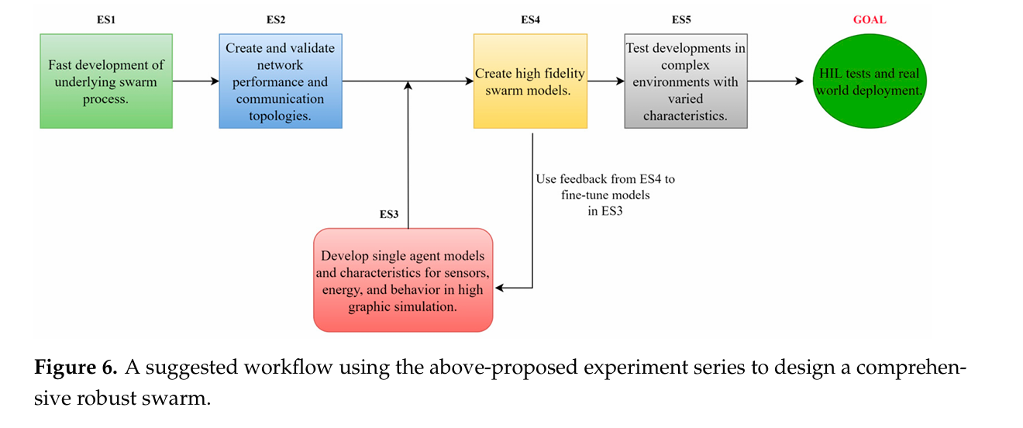 | Algorithms: Leader-based control mechanism, collision avoidance algorithms, artificial potential fields, bio-inspired pheromone maps. Hardware: Ryze Tello EDU drones, Robolink CoDrones. Software: MATLAB UAV Toolbox, Simulink, RflySim. | MATLAB: Used for 2D swarm simulations, path planning, and formation control. OMNET++: Used for FANET (Flying Ad Hoc Networks) and MANET (Mobile Ad Hoc Networks) simulations. Webots: Used for photorealistic UAV simulations and heterogeneous swarm testing. CoppeliaSim: Used for swarm topology and inter-agent policy testing. Microsoft AirSim: Used for high-fidelity UAV simulations with weather effects. | not mentioned | Minimum Distance Between Drones: The minimum safe distance required to avoid collisions under different conditions. Swarm Speed: The maximum safe speed at which the swarm can operate without collisions. Positioning Accuracy: The impact of GPS positioning errors on swarm coordination. Communication Delays: The effect of communication delays on swarm synchronization and collision avoidance. Energy Efficiency: The impact of swarm speed and trajectory on fuel efficiency. Task Completion Time: The time taken to complete tasks such as target search and area coverage. | 5 | Leader-Based Control Model: The swarm follows a leader drone, with each drone mimicking the leader's trajectory and movements. This model ensures coherent coordination and collision avoidance within the swarm. Artificial Potential Fields (APF): Used for attraction and repulsion forces to maintain swarm formation. Pheromone Maps: Inspired by biological systems, used for target convergence and path planning. | GPS: For precise positioning and navigation. LiDAR: For obstacle detection and mapping. Fisheye Cameras: For visual data collection and target detection. Ultrasonic Sensors: For close-range obstacle avoidance. Passive Beacons: For localized positioning and drift compensation. | Positioning Errors: GPS inaccuracies can affect swarm coordination and collision avoidance. Communication Delays: Delays in data transmission can lead to synchronization issues and collisions. Swarm Speed: Higher speeds increase the risk of collisions, especially in dense formations. Battery Life: Limited battery capacity restricts the operational time of drones. Environmental Complexity: Obstacles and dynamic environments can challenge swarm coordination. Weather Conditions: Adverse weather (e.g., rain, fog, wind) can impact sensor performance and swarm coordination. | Formation Maintenance: Drones must maintain a specific formation (e.g., grid structure) while navigating. Collision Avoidance: Drones must avoid collisions with each other and obstacles. Speed Variation: Drones must operate at varying speeds (1–5 m/s) while maintaining formation. Communication Testing: The impact of communication delays (0 ms to 500 ms) on swarm coordination is tested. Positioning Accuracy: The effect of GPS positioning errors (0 cm, 5 cm, 50 cm, 100 cm) on swarm coordination is evaluated. Target Search and Rescue: Drones must locate and converge on a target (e.g., a person in distress) in a realistic environment. Area Coverage: Drones must efficiently cover a designated area for surveillance or data collection. | Swarm Formation and Control: Swarm formations can be centralized, decentralized, or hybrid, depending on the mission requirements. Leader-follower models and grid-based formations are commonly used for coordination and collision avoidance. Artificial Potential Fields (APF) and pheromone-based techniques are used for swarm movement and target convergence. Communication and Network Topology: FANET (Flying Ad Hoc Networks) is used for inter-agent communication in UAV swarms. AODV (Ad Hoc On-Demand Distance Vector) is a common routing protocol for swarm communication, ensuring reliable data transmission. Communication delays and network strength are critical for maintaining swarm coordination and avoiding collisions. Simulation Platforms: MATLAB, CoppeliaSim, Webots, and OMNET++ are popular simulation tools for testing UAV swarm behaviors. Simulations allow for testing swarm behaviors in realistic environments, including weather effects like rain, fog, and wind. Software-in-the-loop (SITL) simulations are used to validate swarm control algorithms before real-world deployment. Heterogeneous Swarms: Heterogeneous swarms (e.g., UAVs and UGVs) can improve mission efficiency by leveraging the unique capabilities of each agent. For example, UAVs can provide aerial surveillance, while UGVs can handle ground-based tasks like landing platforms or obstacle detection. Collision Avoidance: Minimum distance thresholds between drones are set to avoid collisions, depending on swarm speed, communication delays, and positioning accuracy. Low-tolerance controllers ensure minimal intrusion but require more computational power, while high-tolerance controllers are less computationally intensive but risk collisions. Search and Rescue (SAR): UAV swarms can be deployed in grid-based or randomized patterns to cover large areas efficiently. Targeted deployment focuses on critical areas, while adaptive deployment adjusts based on real-t

